Instructions
 |  | Challenge1 Instructions.pdf

 |  | Module 1 Challenge
 |  | Start Assignment

 |  | Due Thursday by 23:59

 |  | Points 100

 |  | Submitting a text entry box or a website url

 |  | Background
 | Read | Crowdfunding platforms like Kickstarter and Indiegogo have been growing in success and popularity since the late 2000s. From independent content creators to famous celebrities, more and more people are using crowdfunding to launch new products and generate buzz, but not every project has found success.
 | Read | To receive funding, the project must meet or exceed an initial goal, so many organisations dedicate considerable resources looking through old projects in an attempt to discover “the trick” to finding success. For this week's Challenge, you will organise and analyse a database of 1,000 sample projects to uncover any hidden trends.
 |  | Before You Begin
 | Done | 1. Create a new space for this project called excel-challenge in either Dropbox or Google Drive. Do not add this assignment to an existing repository.
 |  | 2. Store your Excel workbooks here in this new space, and create a sharable link for submission.
 |  | Files
 | Done | Download the following files to help you get started:

 |  | Module 1 Challenge filesLinks to an external site.
Section | Complete? | Instructions
A
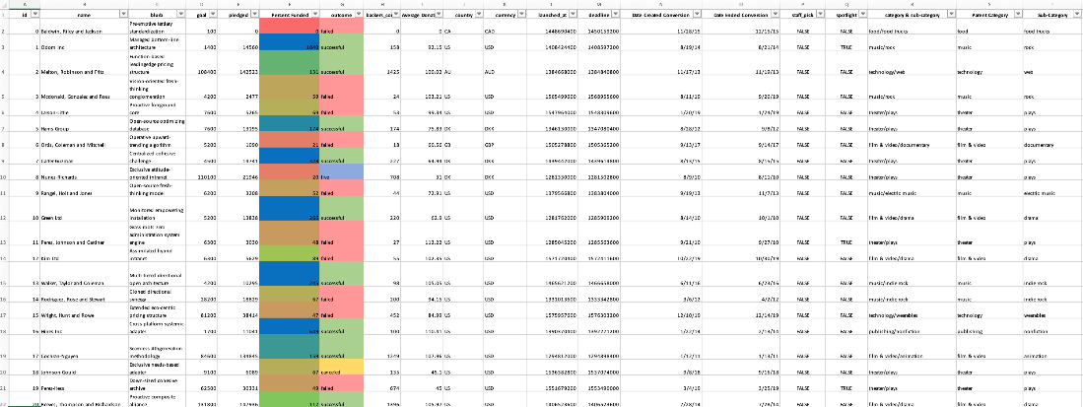

 | Yes | Using the Excel workbook in your .zip file, modify and analyse the sample-project data and try to uncover market trends.
 | Yes | Use conditional formatting to fill each cell in the outcome column with a different colour, depending on whether the associated campaign was successful, failed, cancelled, or is currently live.
 | Yes | Create a new column called Percent Funded that uses a formula to find how much money a campaign made relative to its initial funding goal.
 | Yes | Use conditional formatting to fill each cell in the Percent Funded column according to a three-colour scale. The scale should start at 0 with a dark shade of red, and it should transition to green at 100 and blue at 200.
 | Yes | Create a new column called Average Donation that uses a formula to find how much each project backer paid on average.
 | Yes | Create two new columns, one called Parent Category and another called Sub-Category, that use formulas to split the Category and Sub-Category column into the two new, separate columns.
B
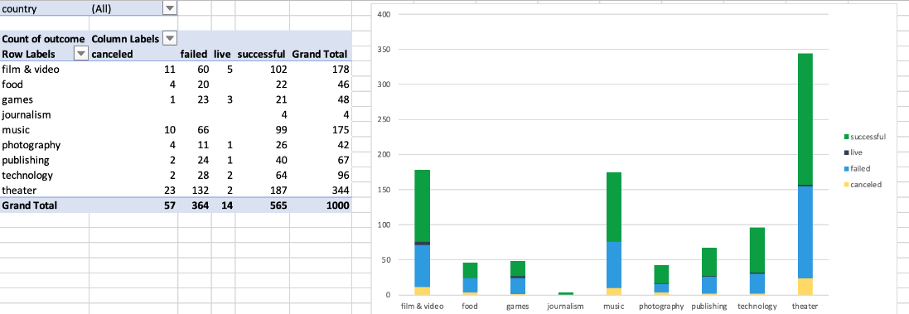

 | Yes | Create a new sheet with a pivot table that analyses your initial worksheet to count how many campaigns were successful, failed, cancelled, or are currently live per category.
 | Yes | Create a stacked-column pivot chart that can be filtered by country based on the table that you created.
C
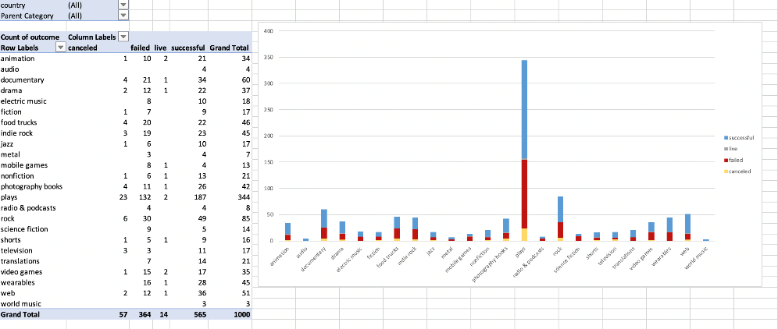

 | Yes | Create a new sheet with a pivot table that analyses your initial sheet to count how many campaigns were successful, failed, or cancelled, or are currently live per sub-category.
 | Yes | Create a stacked-column pivot chart that can be filtered by country and parent category based on the table that you created.
 | Yes | The dates in the deadline and launched_at columns use Unix timestamps. Fortunately for us, this formula links to an external site. that can be used to convert these timestamps to a normal date. |  | https://www.extendoffice.com/documents/excel/2473-excel-timestamp-to-date.html
 | Yes | Create a new column named Date Created Conversion that will use this formula links to an external site. to convert the data contained in launched_at into Excel's date format. |  | https://www.extendoffice.com/documents/excel/2473-excel-timestamp-to-date.html
 | Yes | Create a new column named Date Ended Conversion that will use this formula links to an external site. to convert the data contained in deadline into Excel's date format. |  | https://www.extendoffice.com/documents/excel/2473-excel-timestamp-to-date.html
D
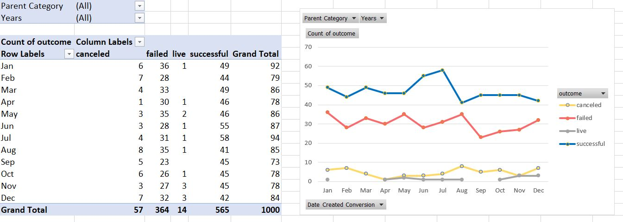

 | Yes | Create a new sheet with a pivot table that has a column of outcome, rows of Date Created Conversion, values based on the count of outcome, and filters based on parent category and Years.
 | Yes | Now, create a pivot-chart line graph that visualises this new table.
 | Yes | Create a report in Microsoft Word, and answer the following questions:
 | Yes | 1. Given the provided data, what are three conclusions that we can draw about crowdfunding campaigns?
 | Yes | 2. What are some limitations of this dataset?
 | Yes | 3. What are some other possible tables and/or graphs that we could create, and what additional value would they provide?

E |  | Bonus
 | Yes | Create a new sheet with 8 columns:
 | Yes | Goal
 | Yes | Number Successful
 | Yes | Number Failed
 | Yes | Number Cancelled
 | Yes | Total Projects
 | Yes | Percentage Successful
 | Yes | Percentage Failed
 | Yes | Percentage Cancelled
 | Yes | In the Goal column, create 12 rows with the following headers:
 | Yes | Less than 1000
 | Yes | 1000 to 4999
 | Yes | 5000 to 9999
 | Yes | 10000 to 14999
 | Yes | 15000 to 19999
 | Yes | 20000 to 24999
 | Yes | 25000 to 29999
 | Yes | 30000 to 34999
 | Yes | 35000 to 39999
 | Yes | 40000 to 44999
 | Yes | 45000 to 49999
 | Yes | Greater than or equal to 50000
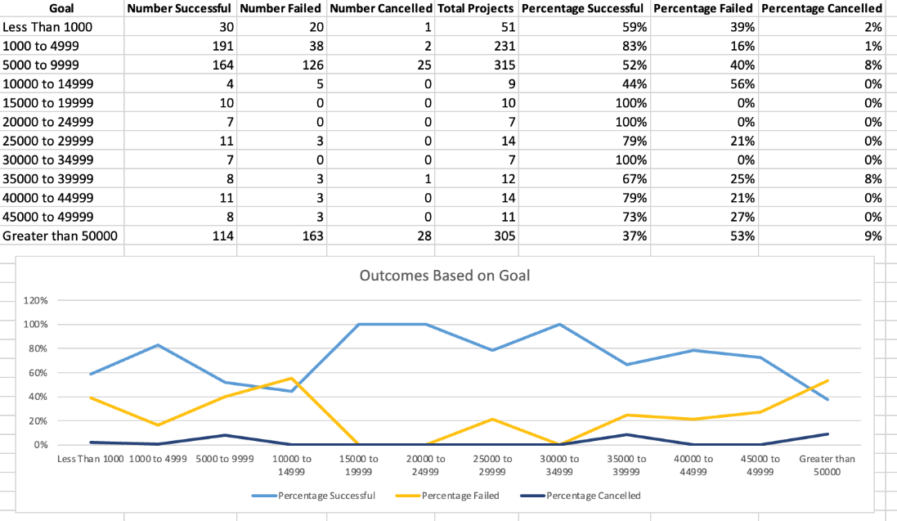

 | Yes | Using the COUNTIFS() formula, count how many successful, failed, and cancelled projects were created with goals within the ranges listed above. Populate the Number Successful, Number Failed, and Number Cancelled columns with these data points.
 | Yes | Add up each of the values in the Number Successful, Number Failed, and Number Cancelled columns to populate the Total Projects column. Then, using a mathematical formula, find the percentage of projects that were successful, failed, or cancelled per goal range.
 | Yes | Create a line chart that graphs the relationship between a goal amount and its chances of success, failure, or cancellation.

F |  | Bonus Statistical Analysis
 | Yes | Most people would use the number of campaign backers to assess the success of a crowdfunding campaign. Creating a summary statistics table is one of the most efficient ways that data scientists can characterise quantitative metrics, such as the number of campaign backers.
 | Yes | For an additional challenge, evaluate the number of backers of successful and unsuccessful campaigns by creating your own summary statistics table.
 | Yes | Create a new worksheet in your workbook, and create one column for the number of backers of successful campaigns and one column for unsuccessful campaigns.
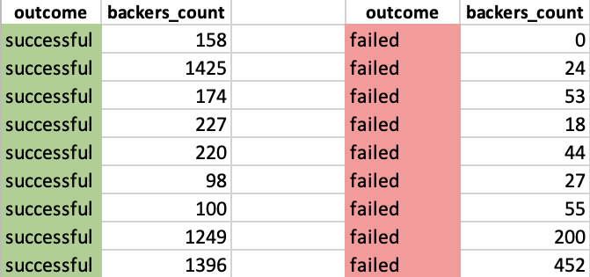

 |  | Use Excel to evaluate the following values for successful campaigns, and then do the same for unsuccessful campaigns:
 | Yes | The mean number of backers
 | Yes | The median number of backers
 | Yes | The minimum number of backers
 | Yes | The maximum number of backers
 |  | The variance of the number of backers
 |  | The standard deviation of the number of backers
 |  | Use your data to determine whether the mean or the median better summarises the data.
 |  | Use your data to determine if there is more variability with successful or unsuccessful campaigns. Does this make sense? Why or why not?
 |  | Requirements
 |  | Conditional Formatting (10 points) | 10
 | Yes | Conditional formatting is applied appropriately to the outcome column (5 points)
 | Yes | Conditional formatting is applied appropriately to the percent funded column (5 points)
 |  | Column Creation (10 points) | 10
 | Yes | Six new columns were correctly created for:
 | Yes | percent funded
 | Yes | average donation
 | Yes | category
 | Yes | sub-category
 | Yes | Date Created Conversion
 | Yes | Date Ended Conversion
 |  | Pivot Tables and Stacked Column Charts (15 points) | 15
 | Yes | Correctly created a pivot table that counts how many campaigns were "successful," "failed," "cancelled," or are currently "live" per category (7.5 points)
 | Yes | Correctly created a stacked column pivot chart that can be filtered by country (7.5 points)
 |  | Pivot Tables and Line Graphs (15 points) | 15
 | Yes | Correctly created a pivot table with a column of outcome, rows of Date Created Conversion, values based on the count of outcome, and filters based on parent category and Years (7.5 points)
 | Yes | Correctly created a pivot chart line graph (7.5 points)
 |  | Written Report (20 points) | 20
 | Yes | Presents a cohesive written analysis that:
 | Yes | Draws three conclusions from the data (10 points)
 | Yes | States limitations of the dataset and suggestions for additional tables of graph (10 points)
 |  | Crowfunding Goal Analysis (10 points) | 10
 | Yes | Computed calculations of percentages for projects that were successful, failed, or were cancelled per goal range (5 points)
 | Yes | Created a line chart showing the relationship between the goal’s amount and its chances at success, failure, or cancellation (5 points)
 |  | Statistical Analysis (20 points) | 20
 | Yes | Computed calculations of the mean, median, min, max, variance, and stdev using Excel formulas (15 points)
 | Yes | A brief and compelling justification of whether the mean or median better summarises the data (5 points)
 |  | Grading
 |  | This assignment will be evaluated against the requirements and assigned a grade according to the following table:
 |  | Grade | Points
 |  | A (+/-) | 90+
 |  | B (+/-) | 80–89
 |  | C (+/-) | 70–79
 |  | D (+/-) | 60–69
 |  | F (+/-) | < 60
 |  | Submission
 |  | To submit your Challenge assignment, click Submit, and then provide the URL to your Dropbox or Google Drive folder for grading.
 |  | NOTE
 |  | You are allowed to miss up to two Challenge assignments and still earn your certificate. If you complete all Challenge assignments, your lowest two grades will be dropped. If you wish to skip this assignment, click Next, and move on to the next Module.
 |  | Comments are disabled for graded submissions in BootCamp Spot. If you have questions about your feedback, please notify your instructional staff or your Student Success Advisor. If you would like to resubmit your work for an additional review, you can use the Resubmit Assignment button to upload new links. You may resubmit up to three times for a total of four submissions.
 |  | IMPORTANT
 |  | No matter how difficult the course becomes, you must always turn in original work. Plagiarism is not tolerated. If your instructional or support staff determine that you have plagiarized work, your Student Success Advisor will determine the appropriate course of action based on university policy. Such actions may include, but are not limited to, a documented plagiarism discussion, an incomplete or failing grade assignment, or ineligibility for graduation.
 |  | It is your responsibility to include a note in the README section of your repo specifying code source and its location within your repo. This applies if you have worked with a peer on an assignment, used code in which you did not author or create sourced from a forum such as Stack Overflow, or you received code outside curriculum content from support staff such as an Instructor, TA, Tutor, or Learning Assistant. This will provide visibility to grading staff of your circumstance in order to avoid flagging your work as plagiarized.
 |  | If you are struggling with a challenge assignment or any aspect of the academic curriculum, please remember that there are student support services available for you:
 |  | 1. Ask the class Slack channel/peer support.
 |  | 2. AskBCS Learning Assistants exists in your class Slack application.
 |  | 3. Office hours facilitated by your instructional staff before and after each class session.
 |  | 4. Tutoring GuidelinesLinks to an external site. - schedule a tutor session in the Tutor Sessions section of Bootcampspot - Canvas
 |  | 5. If the above resources are not applicable and you have a need, please reach out to a member of your instructional team, your Student Success Advisor, or submit a support ticket in the Student Support section of your BCS application.
 |  | References
 |  | Data for this dataset was generated by edX Boot Camps LLC, and is intended for educational purposes only.
 |  | PreviousNext
 |  | © 2024 edX Boot Camps LLC

 |  | From <https://bootcampspot.instructure.com/courses/5205/assignments/76292?module_item_id=1224116>

Section B Solved
 | canceled | failed | live | successful
film & video | 11 | 60 | 5 | 102
food | 4 | 20 |  | 22
games | 1 | 23 | 3 | 21
journalism |  |  |  | 4
music | 10 | 66 |  | 99
photography | 4 | 11 | 1 | 26
publishing | 2 | 24 | 1 | 40
technology | 2 | 28 | 2 | 64
theater | 23 | 132 | 2 | 187
country | (All)

Count of outcome | Column Labels
Row Labels | canceled | failed | live | successful | Grand Total
film & video | 11 | 60 | 5 | 102 | 178
food | 4 | 20 |  | 22 | 46
games | 1 | 23 | 3 | 21 | 48
journalism |  |  |  | 4 | 4
music | 10 | 66 |  | 99 | 175
photography | 4 | 11 | 1 | 26 | 42
publishing | 2 | 24 | 1 | 40 | 67
technology | 2 | 28 | 2 | 64 | 96
theater | 23 | 132 | 2 | 187 | 344
Grand Total | 57 | 364 | 14 | 565 | 1000

Section C Solved
 | canceled | failed | live | successful
animation | 1 | 10 | 2 | 21
audio |  |  |  | 4
documentary | 4 | 21 | 1 | 34
drama | 2 | 12 | 1 | 22
electric music |  | 8 |  | 10
fiction | 1 | 7 |  | 9
food trucks | 4 | 20 |  | 22
indie rock | 3 | 19 |  | 23
jazz | 1 | 6 |  | 10
metal |  | 3 |  | 4
mobile games |  | 8 | 1 | 4
nonfiction | 1 | 6 | 1 | 13
photography books | 4 | 11 | 1 | 26
plays | 23 | 132 | 2 | 187
radio & podcasts |  | 4 |  | 4
rock | 6 | 30 |  | 49
science fiction |  | 9 |  | 5
shorts | 1 | 5 | 1 | 9
television | 3 | 3 |  | 11
translations |  | 7 |  | 14
video games | 1 | 15 | 2 | 17
wearables |  | 16 | 1 | 28
web | 2 | 12 | 1 | 36
world music |  |  |  | 3
country | (All)
Parent Category | (All)

Count of outcome | Column Labels
Row Labels | canceled | failed | live | successful | Grand Total
animation | 1 | 10 | 2 | 21 | 34
audio |  |  |  | 4 | 4
documentary | 4 | 21 | 1 | 34 | 60
drama | 2 | 12 | 1 | 22 | 37
electric music |  | 8 |  | 10 | 18
fiction | 1 | 7 |  | 9 | 17
food trucks | 4 | 20 |  | 22 | 46
indie rock | 3 | 19 |  | 23 | 45
jazz | 1 | 6 |  | 10 | 17
metal |  | 3 |  | 4 | 7
mobile games |  | 8 | 1 | 4 | 13
nonfiction | 1 | 6 | 1 | 13 | 21
photography books | 4 | 11 | 1 | 26 | 42
plays | 23 | 132 | 2 | 187 | 344
radio & podcasts |  | 4 |  | 4 | 8
rock | 6 | 30 |  | 49 | 85
science fiction |  | 9 |  | 5 | 14
shorts | 1 | 5 | 1 | 9 | 16
television | 3 | 3 |  | 11 | 17
translations |  | 7 |  | 14 | 21
video games | 1 | 15 | 2 | 17 | 35
wearables |  | 16 | 1 | 28 | 45
web | 2 | 12 | 1 | 36 | 51
world music |  |  |  | 3 | 3
Grand Total | 57 | 364 | 14 | 565 | 1000

Section D Solved
 | canceled | failed | live | successful
Jan | 6 | 36 | 1 | 49
Feb | 7 | 28 |  | 44
Mar | 4 | 33 |  | 49
Apr | 1 | 30 | 1 | 46
May | 3 | 35 | 2 | 46
Jun | 3 | 28 | 1 | 55
Jul | 4 | 31 | 1 | 58
Aug | 8 | 35 | 1 | 41
Sep | 5 | 23 |  | 45
Oct | 6 | 26 | 1 | 45
Nov | 3 | 27 | 3 | 45
Dec | 7 | 32 | 3 | 42
Parent Category | (All)
Year Created Conversion | (All)

Count of outcome | Column Labels
Row Labels | canceled | failed | live | successful | Grand Total
Jan | 6 | 36 | 1 | 49 | 92
Feb | 7 | 28 |  | 44 | 79
Mar | 4 | 33 |  | 49 | 86
Apr | 1 | 30 | 1 | 46 | 78
May | 3 | 35 | 2 | 46 | 86
Jun | 3 | 28 | 1 | 55 | 87
Jul | 4 | 31 | 1 | 58 | 94
Aug | 8 | 35 | 1 | 41 | 85
Sep | 5 | 23 |  | 45 | 73
Oct | 6 | 26 | 1 | 45 | 78
Nov | 3 | 27 | 3 | 45 | 78
Dec | 7 | 32 | 3 | 42 | 84
Grand Total | 57 | 364 | 14 | 565 | 1000
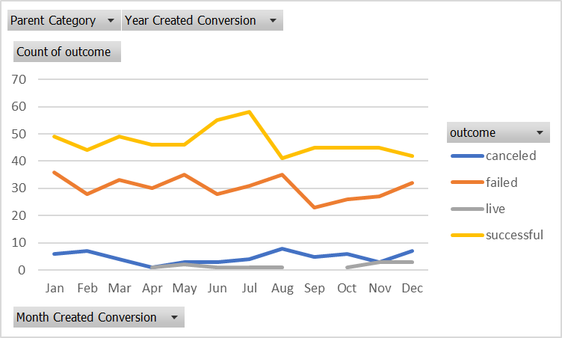
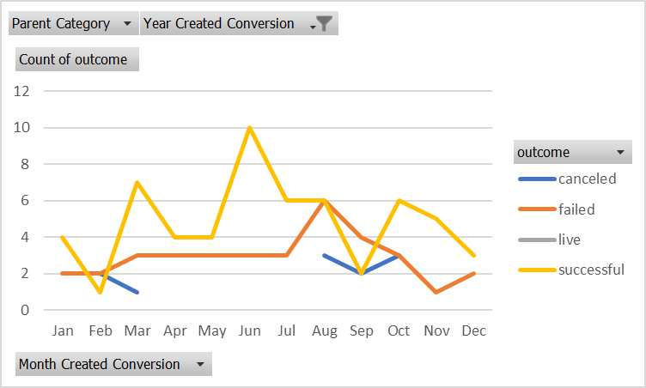
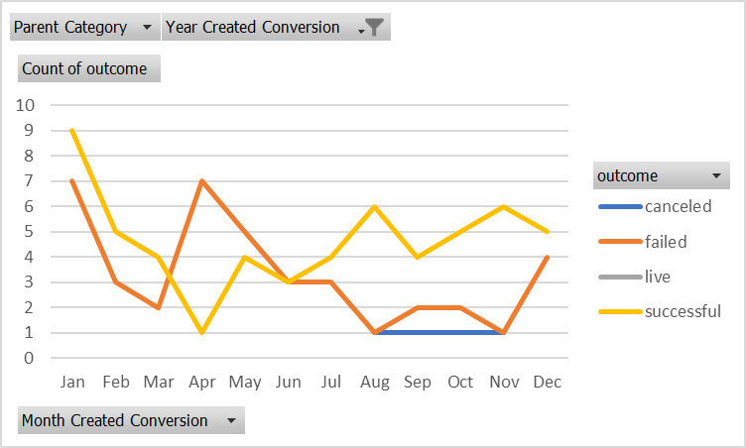
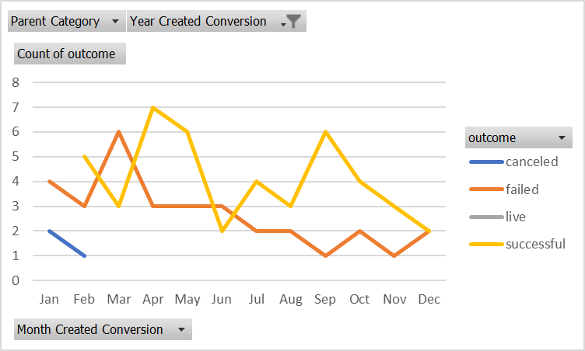
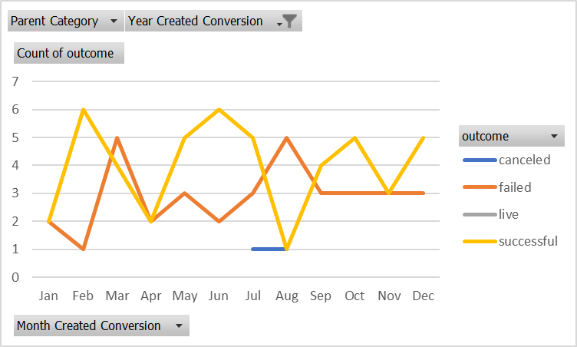
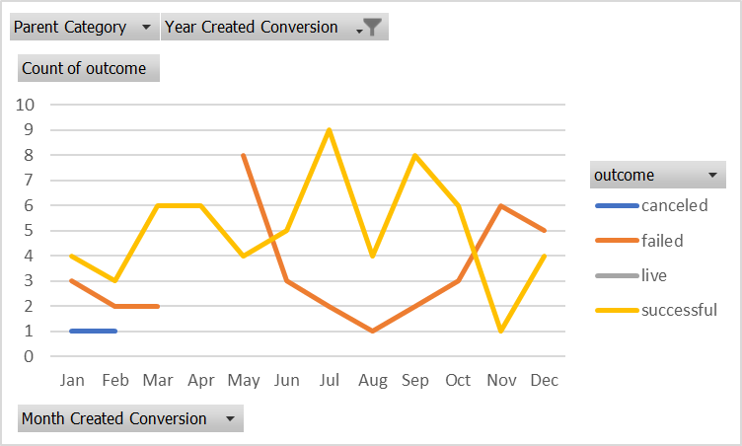
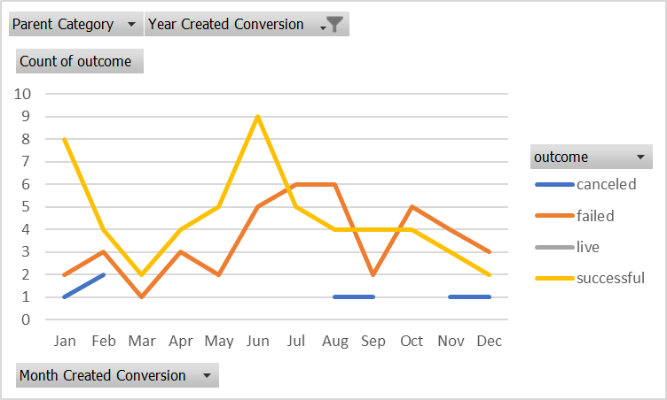
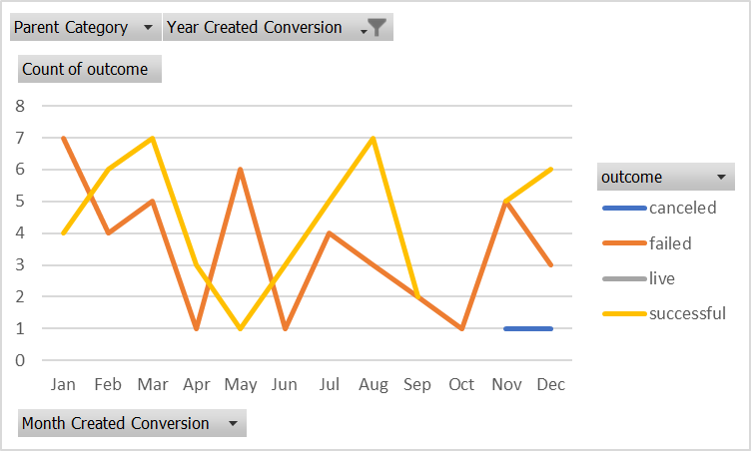
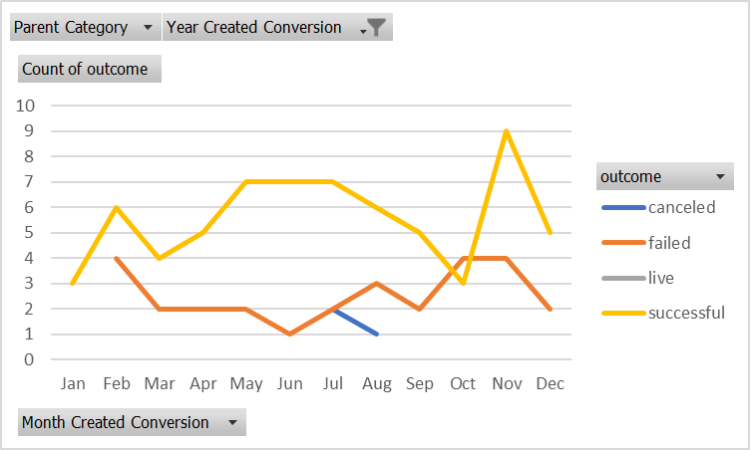
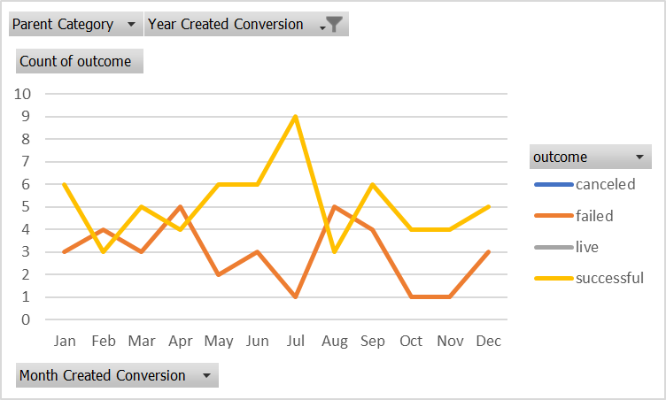
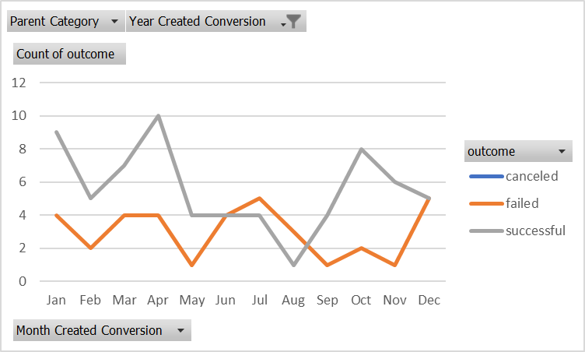
 |  |  |  |  |  | All | All | All | All | All | All | All | All | All | All | All | All
 |  |  |  |  |  | All | 2010 | 2011 | 2012 | 2013 | 2014 | 2015 | 2016 | 2017 | 2018 | 2019 | 2020

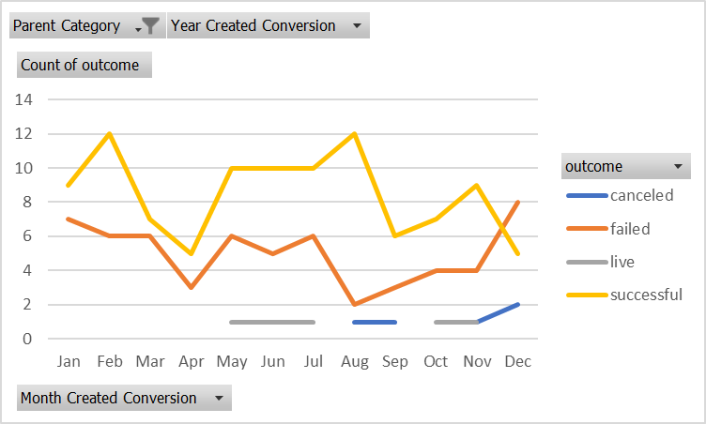
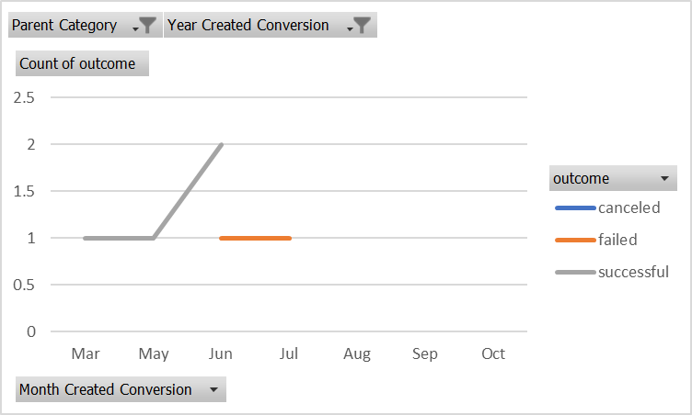
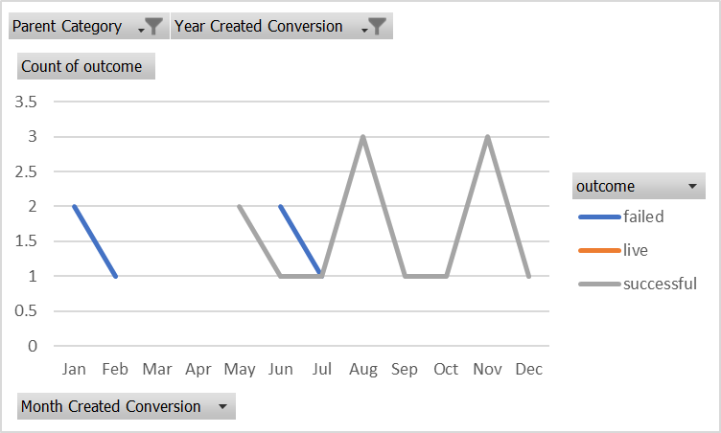
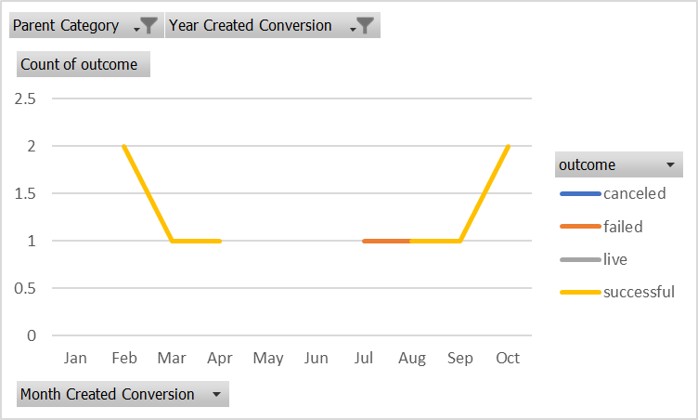
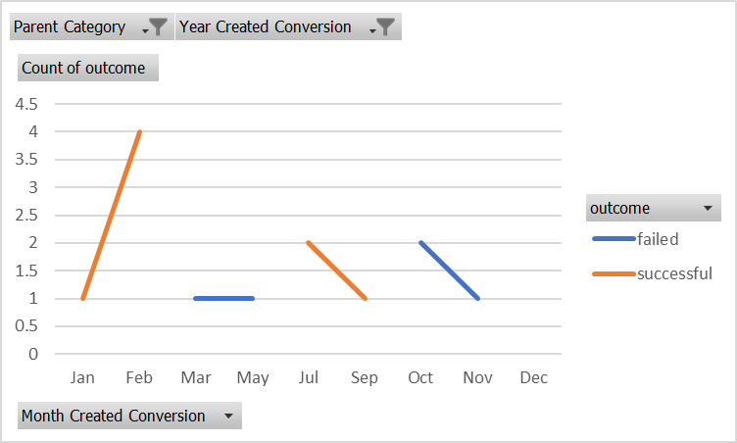
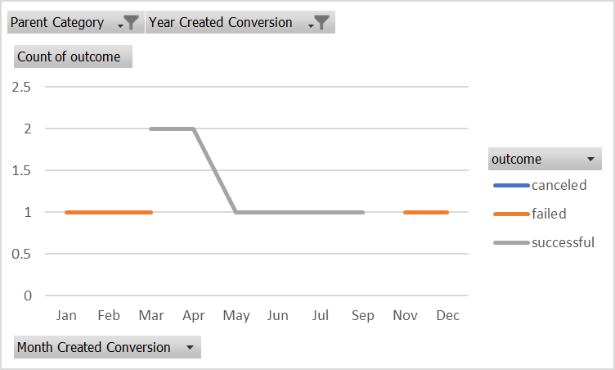
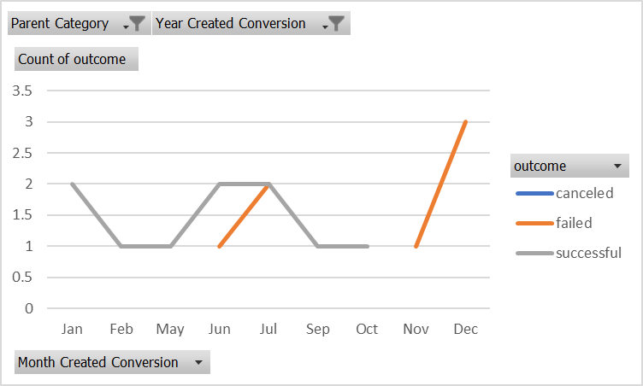
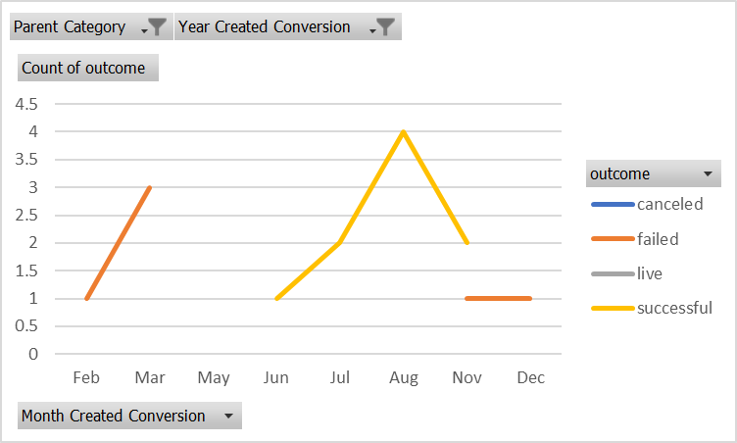
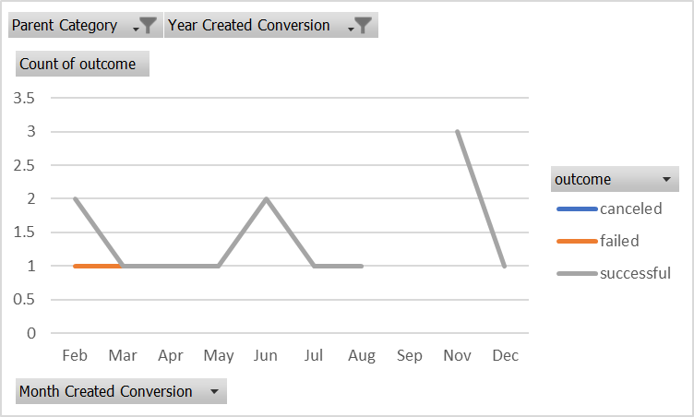
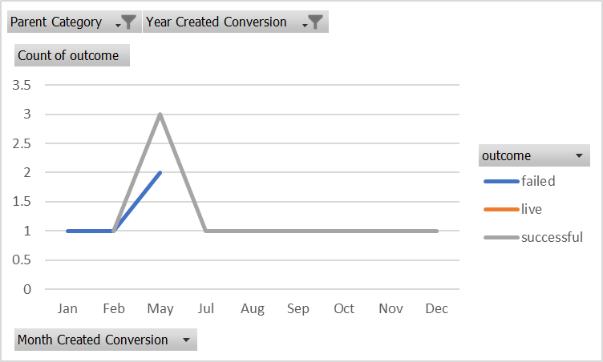
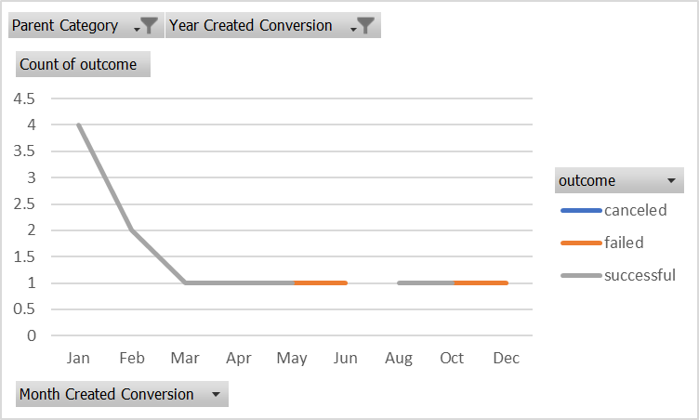
 |  |  |  |  |  | film & video | film & video | film & video | film & video | film & video | film & video | film & video | film & video | film & video | film & video | film & video | film & video
 |  |  |  |  |  | All | 2010 | 2011 | 2012 | 2013 | 2014 | 2015 | 2016 | 2017 | 2018 | 2019 | 2020

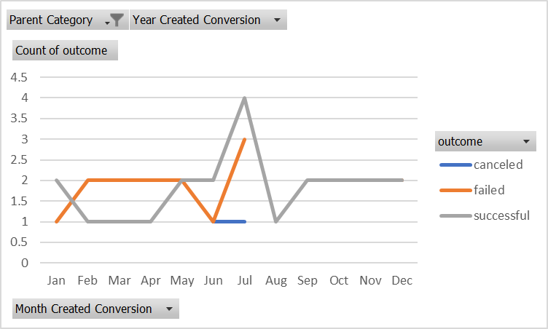
And so on...
 |  |  |  |  |  | food | food | food | food | food | food | food | food | food | food | food | food
 |  |  |  |  |  | All | 2010 | 2011 | 2012 | 2013 | 2014 | 2015 | 2016 | 2017 | 2018 | 2019 | 2020

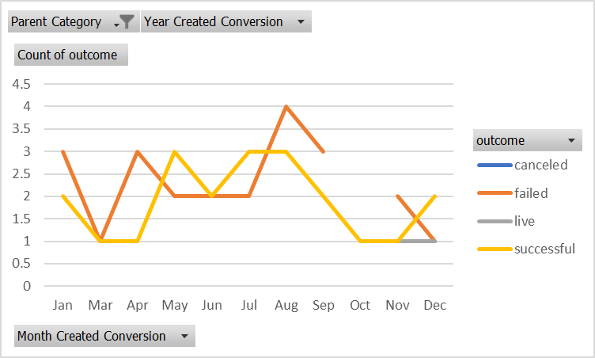
 |  |  |  |  |  | games
 |  |  |  |  |  | All | 2010 | 2011 | 2012 | 2013 | 2014 | 2015 | 2016 | 2017 | 2018 | 2019 | 2020

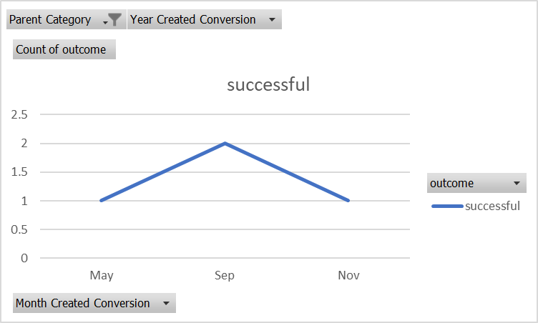
 |  |  |  |  |  | journalism
 |  |  |  |  |  | All | 2010 | 2011 | 2012 | 2013 | 2014 | 2015 | 2016 | 2017 | 2018 | 2019 | 2020

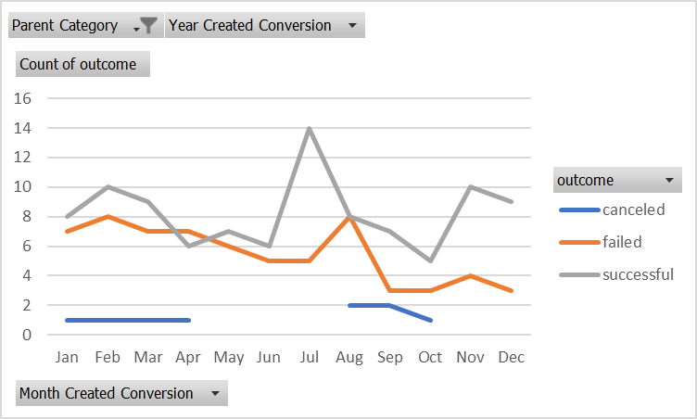
 |  |  |  |  |  | music
 |  |  |  |  |  | All | 2010 | 2011 | 2012 | 2013 | 2014 | 2015 | 2016 | 2017 | 2018 | 2019 | 2020

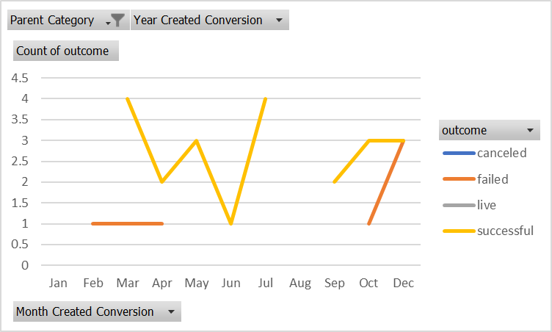
 |  |  |  |  |  | photography
 |  |  |  |  |  | All | 2010 | 2011 | 2012 | 2013 | 2014 | 2015 | 2016 | 2017 | 2018 | 2019 | 2020

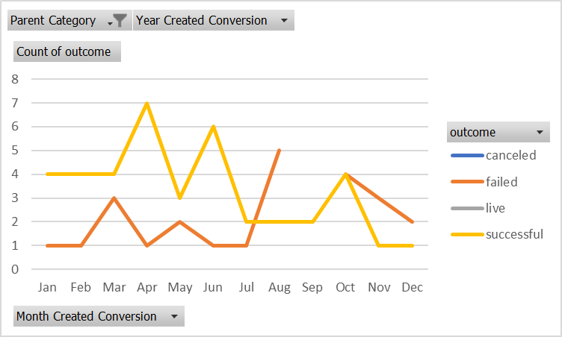
 |  |  |  |  |  | publishing
 |  |  |  |  |  | All | 2010 | 2011 | 2012 | 2013 | 2014 | 2015 | 2016 | 2017 | 2018 | 2019 | 2020

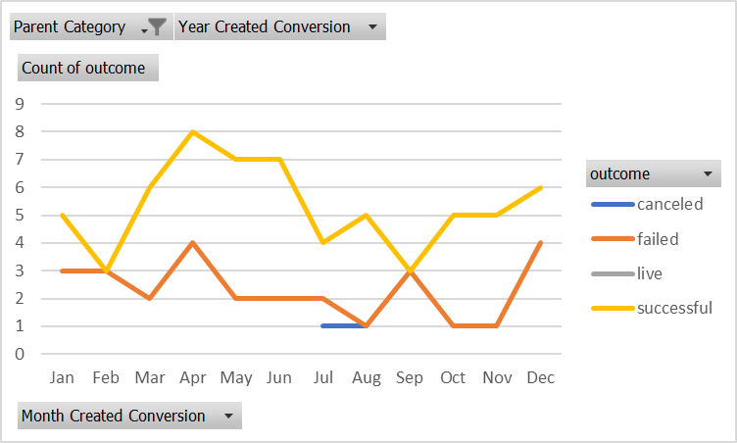
 |  |  |  |  |  | technology
 |  |  |  |  |  | All | 2010 | 2011 | 2012 | 2013 | 2014 | 2015 | 2016 | 2017 | 2018 | 2019 | 2020

 |  |  |  |  |  | theatre
 |  |  |  |  |  | All | 2010 | 2011 | 2012 | 2013 | 2014 | 2015 | 2016 | 2017 | 2018 | 2019 | 2020

Section E Solved
Outcomes Based on Goal
Goal | Number Successful | Number Failed | Number Cancelled | Total Projects | Percentage Successful | Percentage Failed | Percentage Cancelled
Less than 1000 | 30 | 20 | 1 | 51 | 59% | 39% | 2%
1000 to 4999 | 191 | 38 | 2 | 231 | 83% | 16% | 1%
5000 to 9999 | 164 | 126 | 25 | 315 | 52% | 40% | 8%
10000 to 14999 | 4 | 5 | 0 | 9 | 44% | 56% | 0%
15000 to 19999 | 10 | 0 | 0 | 10 | 100% | 0% | 0%
20000 to 24999 | 7 | 0 | 0 | 7 | 100% | 0% | 0%
25000 to 29999 | 11 | 3 | 0 | 14 | 79% | 21% | 0%
30000 to 34999 | 7 | 0 | 0 | 7 | 100% | 0% | 0%
35000 to 39999 | 8 | 3 | 1 | 12 | 67% | 25% | 8%
40000 to 44999 | 11 | 3 | 0 | 14 | 79% | 21% | 0%
45000 to 49999 | 8 | 3 | 0 | 11 | 73% | 27% | 0%
Greater than 50000 | 114 | 163 | 28 | 305 | 37% | 53% | 9%

Section F Solved
 | Statistical Evaluation of Backers - Failed |  |  |  |  |  |  | Statistical Evaluation of Backers - Successful
 |  | Excel Formulae | First Principles | Unit of Measure |  |  |  |  | Excel Formulae | First Principles | Unit of Measure
 | N | 364 | NA | observations |  |  |  | N | 565 | NA | observations
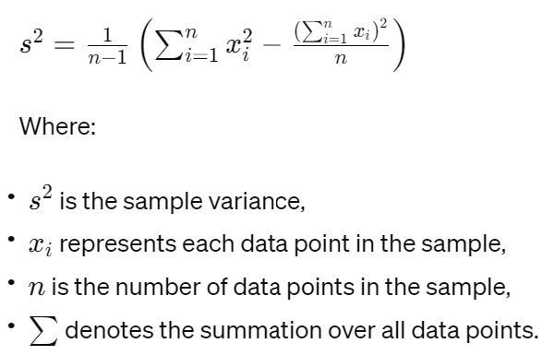
 | Average | 585.62 | 585.62 | no. backers |  |  |  | Average | 851.15 | 851.15 | no. backers
 | Median | 114.50 | NA | no. backers |  |  |  | Median | 201.00 | NA | no. backers
 | Mode | 1 | NA | no. backers |  |  |  | Mode | 80.00 | NA | no. backers
 | Minimum | 0 | NA | no. backers |  |  |  | Minimum | 16.00 | NA | no. backers
 | Maximum | 6080 | NA | no. backers |  |  |  | Maximum | 7295.00 | NA | no. backers
 | Range | 6080 | NA | no. backers |  |  |  | Range | 7279.00 | NA | no. backers
 | Number of Classes (k) | NA | 9 | classes |  |  |  | Number of Classes (k) | NA | 10 | classes
 | Interval Width | NA | 643 | no. backers |  |  |  | Interval Width | NA | 724 | no. backers
 | Variance | 924113.45 | 924113.45 | no. backers | Variance (S2) = 1/(n-1)*[Szi2-(Szi)2/n] |  |  | Variance | 1606216.59 | 1606216.59 |  | Variance (S2) = 1/(n-1)*[Szi2-(Szi2/n]
 | Std Dev | 961.31 | 961.31 | no. backers | Standard deviation = (S2)1/2 |  |  | Std Dev | 1267.37 | 1267.37 |  | Standard deviation = (S2)1/2
 | Skewness | 2.70 | NA | positively skewed |  |  |  | Skewness | 2.18 | NA | positively skewed
 | Kurtosis | 8.80 | NA | leptokurtic |  |  |  | Kurtosis | 4.97 | NA | leptokurtic

 | Interpretation Commentary
 | Use your data to determine whether the mean or the median better summarises the data. | The median is the preferable metric for summarising the data. It provides a more accurate reflection of the typical value within the dataset by effectively mitigating the influence of outliers. The use of the median avoids the distortion inherent in the mean, which is significantly influenced by the skewness and the presence of high-value outliers in the data set. Therefore, in the presence of a pronounced positive skew, as is the case here, the median offers a more representative summary of the data's central tendency.
 | Use your data to determine if there is more variability with successful or unsuccessful campaigns. Does this make sense? Why or why not? | The group labeled as 'failed' has a variance of 924,113.45. The group labeled as 'successful' has a variance of 1,606,216.59. Variance is a measure of how spread out numbers are. A higher variance indicates that the data points are more spread out from the mean, and from one another. Thus, with a higher variance value, the 'successful' campaigns exhibit more variability in the number of backers compared to the 'failed' campaigns. This observation can make intuitive sense for several reasons: Variety of Successful Campaigns: Successful campaigns may vary widely in their appeal, goals, rewards, and promotion, which can attract a highly variable number of backers. Some successful campaigns may go viral and attract a very large number of backers, while others may just meet their goals, leading to a broader spread of data points. Threshold Effect in Failed Campaigns: There might be a threshold below which campaigns tend to fail, causing the number of backers to cluster within a smaller range below this threshold, thus resulting in less variability. Resource Allocation: Successful campaigns may have more resources to invest in marketing and promotion, potentially reaching a wider audience. This can lead to a larger and more variable number of backers as different marketing strategies and campaign qualities yield different results. Engagement Levels: Successful campaigns might engender differing levels of engagement from the backers. Some might incite a passionate response that results in high backer counts, while others may just have enough support to be successful. In summary, the 'successful' campaigns showing more variability does make sense as success in crowdfunding is often influenced by a variety of factors that can lead to significant differences in the number of backers. This is indicative of the dynamic nature of crowdfunding, where different projects can have vastly different outcomes based on their content, promotion, and audience engagem

 | Historgram Calcs |  |  |  |  |  |  | Histogram Calcs
 | k | lower | upper | class | frequency | relative |  | k | lower | upper | class | frequency | relative
 |  | limit (MJ/kg) | limit (MJ/kg) | midpoint (MJ/kg) |  | frequency |  |  | limit (MJ/kg) | limit (MJ/kg) | midpoint (MJ/kg) |  | frequency
 | 1 | -643 | 0 | -321.5 | 0 | 0 |  | 1 | -724 | 0 | -362 | 0 | 0
 | 2 | 0 | 643 | 321.5 | 256 | 0.70 |  | 2 | 0 | 724 | 362 | 400 | 0.71
 | 3 | 643 | 1286 | 964.5 | 55 | 0.15 |  | 3 | 724 | 1448 | 1086 | 32 | 0.06
 | 4 | 1286 | 1929 | 1607.5 | 22 | 0.06 |  | 4 | 1448 | 2172 | 1810 | 50 | 0.09
 | 5 | 1929 | 2572 | 2250.5 | 12 | 0.03 |  | 5 | 2172 | 2896 | 2534 | 40 | 0.07
 | 6 | 2572 | 3215 | 2893.5 | 8 | 0.02 |  | 6 | 2896 | 3620 | 3258 | 18 | 0.03
 | 7 | 3215 | 3858 | 3536.5 | 4 | 0.01 |  | 7 | 3620 | 4344 | 3982 | 9 | 0.02
 | 8 | 3858 | 4501 | 4179.5 | 3 | 0.01 |  | 8 | 4344 | 5068 | 4706 | 3 | 0.01
 | 9 | 4501 | 5144 | 4822.5 | 1 | 0.00 |  | 9 | 5068 | 5792 | 5430 | 6 | 0.01
 | 10 | 5144 | 5787 | 5465.5 | 2 | 0.01 |  | 10 | 5792 | 6516 | 6154 | 6 | 0.01
 | 11 | 5787 | 6430 | 6108.5 | 1 | 0.00 |  | 11 | 6516 | 7240 | 6878 | 0 | 0.00
 | 12 | 6430 | 7073 | 6751.5 | 0 | 0.00 |  | 12 | 7240 | 7964 | 7602 | 1 | 0.00
 | 13 | 7073 | 7716 | 7394.5 | 0 | 0.00 |  | 13 | 7964 | 8688 | 8326 | 0 | 0.00
 |  |  |  | Total | 364 | 1.00 |  | 14 | 8688 | 9412 | 9050 | 0 | 0.00
 |  |  |  |  |  |  |  |  |  |  | Total | 565 | 1.00

Histogram - No. of Backers in Failed Crowdsourcing Initiatives
Histogram - No. of Backers in Successful Crowdsourcing Initiatives

Relative Frequency - No. of Backers in Failed Crowdsourcing Initiatives
Relative Frequency - No. of Backers in Failed Crowdsourcing Initiatives

id | name | blurb | outcome | check1 | backers_count |  | id | name | blurb | outcome | check1 | backers_count
77 | Acevedo-Huffman | Pre-emptive impactful model | failed | 1 | 56 |  | 267 | Acosta PLC | Extended eco-centric function | successful | 1 | 2768
399 | Acosta, Mullins and Morris | Pre-emptive interactive model | failed | 1 | 941 |  | 182 | Adams Group | Reverse-engineered bandwidth-monitored contingency | successful | 1 | 3318
352 | Adams, Willis and Sanchez | Expanded hybrid hardware | failed | 1 | 33 |  | 493 | Adams, Walker and Wong | Seamless background framework | successful | 1 | 64
895 | Adams-Rollins | Integrated demand-driven info-mediaries | failed | 1 | 107 |  | 938 | Allen Inc | Total dedicated benchmark | successful | 1 | 96
178 | Alexander-Williams | Triple-buffered cohesive structure | failed | 1 | 210 |  | 260 | Allen-Jones | Centralized modular initiative | successful | 1 | 261
942 | Allen Inc | Horizontal optimizing model | failed | 1 | 67 |  | 821 | Alvarez-Andrews | Extended impactful secured line | successful | 1 | 210
711 | Anderson LLC | Customizable full-range artificial intelligence | failed | 1 | 14 |  | 817 | Alvarez-Bauer | Front-line intermediate moderator | successful | 1 | 2489
415 | Anderson-Pham | Intuitive needs-based monitoring | failed | 1 | 418 |  | 361 | Anderson and Sons | Quality-focused reciprocal structure | successful | 1 | 88
98 | Arias, Allen and Miller | Seamless transitional portal | failed | 1 | 1220 |  | 555 | Anderson Group | Organic maximized database | successful | 1 | 135
589 | Avery, Brown and Parker | Exclusive intangible extranet | failed | 1 | 102 |  | 892 | Anderson, Parks and Estrada | Realigned discrete structure | successful | 1 | 182
528 | Avila, Ford and Welch | Focused leadingedge matrix | failed | 1 | 80 |  | 824 | Anderson, Williams and Cox | Streamlined national benchmark | successful | 1 | 1280
858 | Ayala, Crawford and Taylor | Realigned 5thgeneration knowledge user | failed | 1 | 35 |  | 445 | Anderson-Pearson | Intuitive demand-driven Local Area Network | successful | 1 | 170
659 | Bailey and Sons | Grass-roots dynamic emulation | failed | 1 | 750 |  | 58 | Anderson-Perez | Expanded 3rdgeneration strategy | successful | 1 | 211
185 | Bailey PLC | Innovative actuating conglomeration | failed | 1 | 19 |  | 143 | Avila-Jones | Implemented discrete secured line | successful | 1 | 70
63 | Baker, Morgan and Brown | Assimilated didactic open system | failed | 1 | 5 |  | 249 | Avila-Nelson | Up-sized intermediate website | successful | 1 | 6465
829 | Baker-Higgins | Vision-oriented scalable portal | failed | 1 | 154 |  | 975 | Ayala Group | Right-sized maximized migration | successful | 1 | 135
0 | Baldwin, Riley and Jackson | Pre-emptive tertiary standardization | failed | 1 | 0 |  | 978 | Bailey, Nguyen and Martinez | Fundamental user-facing productivity | successful | 1 | 92
115 | Barrett PLC | Team-oriented clear-thinking capacity | failed | 1 | 3304 |  | 404 | Bailey-Boyer | Visionary exuding Internet solution | successful | 1 | 2237
200 | Becker, Rice and White | Reduced dedicated capability | failed | 1 | 1 |  | 383 | Baker Ltd | Progressive intangible flexibility | successful | 1 | 189
596 | Becker-Scott | Managed optimizing archive | failed | 1 | 183 |  | 384 | Baker, Collins and Smith | Reactive real-time software | successful | 1 | 4799
400 | Bell PLC | Ergonomic eco-centric open architecture | failed | 1 | 1 |  | 99 | Baker-Morris | Fully-configurable motivating approach | successful | 1 | 164
344 | Berger, Johnson and Marshall | Devolved exuding emulation | failed | 1 | 830 |  | 810 | Ball-Fisher | Multi-layered intangible instruction set | successful | 1 | 221
897 | Berry-Cannon | Organized discrete encoding | failed | 1 | 27 |  | 70 | Barker Inc | Re-engineered 24/7 task-force | successful | 1 | 2475
27 | Best, Carr and Williams | Diverse transitional migration | failed | 1 | 15 |  | 717 | Barnes, Wilcox and Riley | Reverse-engineered well-modulated ability | successful | 1 | 555
959 | Black-Graham | Operative hybrid utilization | failed | 1 | 130 |  | 614 | Barnett and Sons | Business-focused dynamic info-mediaries | successful | 1 | 723
171 | Blair Group | Public-key 3rdgeneration budgetary management | failed | 1 | 5 |  | 894 | Barrett Inc | Organic cohesive neural-net | successful | 1 | 56
562 | Blair Inc | Configurable bandwidth-monitored throughput | failed | 1 | 26 |  | 254 | Barry Group | De-engineered static Local Area Network | successful | 1 | 88
953 | Boyle Ltd | Streamlined fault-tolerant conglomeration | failed | 1 | 21 |  | 140 | Bautista-Cross | Fully-configurable coherent Internet solution | successful | 1 | 186
693 | Bradford-Silva | Reverse-engineered composite hierarchy | failed | 1 | 1748 |  | 411 | Beck, Thompson and Martinez | Down-sized maximized function | successful | 1 | 82
51 | Bradshaw, Gill and Donovan | Inverse secondary infrastructure | failed | 1 | 1467 |  | 723 | Beck-Knight | Exclusive fresh-thinking model | successful | 1 | 144
417 | Bradshaw, Smith and Ryan | Upgradable 24/7 emulation | failed | 1 | 15 |  | 983 | Beck-Weber | Business-focused full-range core | successful | 1 | 2326
852 | Brady Ltd | Open-source reciprocal standardization | failed | 1 | 31 |  | 495 | Bell, Edwards and Andersen | Centralized clear-thinking solution | successful | 1 | 195
367 | Brooks, Jones and Ingram | Triple-buffered explicit methodology | failed | 1 | 75 |  | 291 | Bell, Grimes and Kerr | Self-enabling uniform complexity | successful | 1 | 107
668 | Brown and Sons | Programmable leadingedge budgetary management | failed | 1 | 76 |  | 546 | Benjamin, Paul and Ferguson | Cloned global Graphical User Interface | successful | 1 | 88
592 | Brown Inc | Object-based bandwidth-monitored concept | failed | 1 | 253 |  | 47 | Bennett and Sons | Function-based multi-state software | successful | 1 | 149
936 | Brown Ltd | Enhanced composite contingency | failed | 1 | 21 |  | 65 | Berry-Boyer | Mandatory incremental projection | successful | 1 | 236
297 | Brown, Herring and Bass | Organized client-driven capacity | failed | 1 | 104 |  | 510 | Best, Miller and Thomas | Re-engineered mobile task-force | successful | 1 | 131
150 | Brown, Palmer and Pace | Networked stable workforce | failed | 1 | 1 |  | 899 | Best-Young | Implemented multimedia time-frame | successful | 1 | 123
600 | Brown-George | Cross-platform tertiary array | failed | 1 | 1 |  | 37 | Black, Armstrong and Anderson | Profound attitude-oriented functionalities | successful | 1 | 107
926 | Brown-Oliver | Synchronized cohesive encoding | failed | 1 | 15 |  | 33 | Blair, Collins and Carter | Exclusive interactive approach | successful | 1 | 5419
869 | Brown-Williams | Multi-channeled responsive product | failed | 1 | 526 |  | 420 | Blair, Reyes and Woods | Cross-platform interactive synergy | successful | 1 | 94
161 | Bruce Group | Cross-platform methodical process improvement | failed | 1 | 75 |  | 238 | Bolton, Sanchez and Carrillo | Distributed systemic adapter | successful | 1 | 97
819 | Buck-Khan | Integrated bandwidth-monitored alliance | failed | 1 | 47 |  | 688 | Bowen, Davies and Burns | Devolved client-server monitoring | successful | 1 | 175
996 | Butler LLC | Future-proofed upward-trending migration | failed | 1 | 112 |  | 152 | Bowen, Mcdonald and Hall | User-centric fault-tolerant task-force | successful | 1 | 3376
340 | Butler, Henry and Espinoza | Switchable didactic matrices | failed | 1 | 393 |  | 832 | Bradley, Beck and Mayo | Synergized fault-tolerant hierarchy | successful | 1 | 1297
134 | Caldwell LLC | Secured executive concept | failed | 1 | 940 |  | 106 | Brandt, Carter and Wood | Ameliorated clear-thinking circuit | successful | 1 | 147
193 | Calhoun, Rogers and Long | Progressive discrete hub | failed | 1 | 65 |  | 280 | Braun PLC | Function-based high-level infrastructure | successful | 1 | 393
619 | Case LLC | Ameliorated foreground methodology | failed | 1 | 648 |  | 57 | Bridges, Freeman and Kim | Cross-group multi-state task-force | successful | 1 | 201
110 | Castillo-Carey | Cross-platform solution-oriented process improvement | failed | 1 | 296 |  | 851 | Bright and Sons | Object-based needs-based info-mediaries | successful | 1 | 160
986 | Chan, Washington and Callahan | Optional zero administration neural-net | failed | 1 | 92 |  | 780 | Brooks-Rodriguez | Implemented intangible instruction set | successful | 1 | 164
881 | Charles Inc | Implemented object-oriented synergy | failed | 1 | 452 |  | 354 | Brown Group | Profit-focused transitional capability | successful | 1 | 80
223 | Chavez, Garcia and Cantu | Synergistic explicit capability | failed | 1 | 931 |  | 602 | Brown Ltd | Quality-focused system-worthy support | successful | 1 | 1140
534 | Clark, Mccormick and Mendoza | Self-enabling didactic orchestration | failed | 1 | 243 |  | 422 | Brown, Davies and Pacheco | Reverse-engineered regional knowledge user | successful | 1 | 205
743 | Clark-Conrad | Exclusive bandwidth-monitored orchestration | failed | 1 | 17 |  | 559 | Brown, Estrada and Jensen | Exclusive systematic productivity | successful | 1 | 1022
916 | Clements Ltd | Persistent bandwidth-monitored framework | failed | 1 | 52 |  | 121 | Brown-Brown | Multi-lateral homogeneous success | successful | 1 | 903
522 | Cline, Peterson and Lowery | Innovative static budgetary management | failed | 1 | 191 |  | 268 | Brown-Mckee | Networked optimal productivity | successful | 1 | 48
430 | Cochran Ltd | Re-engineered attitude-oriented frame | failed | 1 | 84 |  | 373 | Brown-Parker | Down-sized coherent toolset | successful | 1 | 2106
266 | Cole LLC | Proactive responsive emulation | failed | 1 | 3182 |  | 540 | Brown-Pena | Front-line client-server secured line | successful | 1 | 247
700 | Cole, Petty and Cameron | Realigned zero administration paradigm | failed | 1 | 1 |  | 166 | Brown-Vang | Robust heuristic artificial intelligence | successful | 1 | 244
323 | Cole, Smith and Wood | Integrated zero-defect help-desk | failed | 1 | 26 |  | 908 | Bryant-Pope | Networked intangible help-desk | successful | 1 | 3934
190 | Cook LLC | Up-sized dynamic throughput | failed | 1 | 24 |  | 813 | Buckley Group | Diverse high-level attitude | successful | 1 | 68
300 | Cooke PLC | Focused executive core | failed | 1 | 1 |  | 616 | Burnett-Mora | Quality-focused 24/7 superstructure | successful | 1 | 238
887 | Cooper LLC | Multi-layered systematic knowledgebase | failed | 1 | 31 |  | 163 | Burton-Watkins | Extended reciprocal circuit | successful | 1 | 246
590 | Cox Group | Synergized analyzing process improvement | failed | 1 | 86 |  | 924 | Butler-Barr | User-friendly next generation core | successful | 1 | 2289
515 | Cox LLC | Phased 24hour flexibility | failed | 1 | 133 |  | 784 | Byrd Group | Profound fault-tolerant model | successful | 1 | 3308
157 | Curtis-Curtis | User-friendly reciprocal initiative | failed | 1 | 30 |  | 442 | Calderon, Bradford and Dean | Devolved system-worthy framework | successful | 1 | 143
204 | Daniel-Luna | Mandatory multimedia leverage | failed | 1 | 40 |  | 735 | Caldwell PLC | Grass-roots zero administration alliance | successful | 1 | 1991
181 | Daniels, Rose and Tyler | Centralized global approach | failed | 1 | 136 |  | 25 | Caldwell, Velazquez and Wilson | Monitored impactful analyzer | successful | 1 | 163
116 | David-Clark | De-engineered motivating standardization | failed | 1 | 73 |  | 757 | Callahan-Gilbert | Profit-focused motivating function | successful | 1 | 114
414 | Davis and Sons | Innovative human-resource migration | failed | 1 | 5497 |  | 28 | Campbell, Brown and Powell | Synchronized global task-force | successful | 1 | 2220
308 | Davis Ltd | Grass-roots optimizing projection | failed | 1 | 803 |  | 854 | Campbell, Thomas and Obrien | Multi-channeled secondary middleware | successful | 1 | 2662
486 | Davis, Cox and Fox | Compatible exuding Graphical User Interface | failed | 1 | 21 |  | 695 | Cardenas, Thompson and Carey | Configurable full-range emulation | successful | 1 | 196
927 | Davis-Gardner | Synergistic dynamic utilization | failed | 1 | 37 |  | 158 | Carlson Inc | Ergonomic fresh-thinking installation | successful | 1 | 41
898 | Davis-Gonzalez | Balanced regional flexibility | failed | 1 | 1221 |  | 333 | Carlson, Dixon and Jones | Persistent well-modulated synergy | successful | 1 | 253
725 | Dawson-Tyler | Optional 6thgeneration access | failed | 1 | 1596 |  | 631 | Carlson-Hernandez | Quality-focused real-time solution | successful | 1 | 3063
545 | Deleon and Sons | Organized value-added access | failed | 1 | 2690 |  | 207 | Carney-Anderson | Digitized 5thgeneration knowledgebase | successful | 1 | 43
450 | Delgado-Hatfield | Up-sized composite success | failed | 1 | 1 |  | 730 | Carson PLC | Visionary system-worthy attitude | successful | 1 | 1071
358 | Diaz-Garcia | Profit-focused 3rdgeneration circuit | failed | 1 | 23 |  | 911 | Carter, Cole and Curtis | Cloned responsive standardization | successful | 1 | 462
876 | Dixon, Perez and Banks | Re-engineered encompassing definition | failed | 1 | 57 |  | 7 | Carter-Guzman | Centralized cohesive challenge | successful | 1 | 227
553 | Dougherty, Austin and Mills | De-engineered 5thgeneration contingency | failed | 1 | 1028 |  | 49 | Casey-Kelly | Sharable holistic interface | successful | 1 | 303
281 | Drake PLC | Profound object-oriented paradigm | failed | 1 | 2062 |  | 117 | Chaney-Dennis | Business-focused 24hour groupware | successful | 1 | 275
123 | Edwards-Lewis | Enhanced scalable concept | failed | 1 | 662 |  | 105 | Charles-Johnson | Total fresh-thinking system engine | successful | 1 | 95
877 | Estrada Group | Multi-lateral uniform collaboration | failed | 1 | 1229 |  | 298 | Chase, Garcia and Johnson | Adaptive intangible database | successful | 1 | 72
663 | Everett-Wolfe | Total optimizing software | failed | 1 | 87 |  | 755 | Chen, Pollard and Clarke | Stand-alone multi-state project | successful | 1 | 288
87 | Farrell and Sons | Synergized 4thgeneration conglomeration | failed | 1 | 1482 |  | 890 | Christian, Kim and Jimenez | Devolved foreground throughput | successful | 1 | 1470
302 | Ferguson, Collins and Mata | Customizable bi-directional hardware | failed | 1 | 245 |  | 603 | Christian, Yates and Greer | Vision-oriented 5thgeneration array | successful | 1 | 102
645 | Ferguson, Murphy and Bright | Multi-lateral heuristic throughput | failed | 1 | 4697 |  | 874 | Chung-Nguyen | Managed discrete parallelism | successful | 1 | 4358
276 | Fields Ltd | Front-line foreground project | failed | 1 | 133 |  | 652 | Cisneros Ltd | Vision-oriented regional hub | successful | 1 | 409
715 | Fischer, Torres and Walker | Expanded even-keeled portal | failed | 1 | 656 |  | 84 | Cisneros-Burton | Public-key zero tolerance orchestration | successful | 1 | 374
83 | Fitzgerald PLC | Realigned user-facing concept | failed | 1 | 1000 |  | 119 | Clark and Sons | Reverse-engineered full-range Internet solution | successful | 1 | 154
378 | Fleming-Oliver | Managed stable function | failed | 1 | 355 |  | 88 | Clark Group | Grass-roots fault-tolerant policy | successful | 1 | 113
387 | Flores-Lambert | Triple-buffered logistical frame | failed | 1 | 424 |  | 489 | Clark Inc | Down-sized mobile time-frame | successful | 1 | 85
705 | Ford LLC | Centralized tangible success | failed | 1 | 2025 |  | 30 | Clark-Cooke | Down-sized analyzing challenge | successful | 1 | 129
919 | Fox Ltd | Extended multimedia firmware | failed | 1 | 225 |  | 159 | Clarke, Anderson and Lee | Robust explicit hardware | successful | 1 | 1821
91 | Frazier, Patrick and Smith | Enhanced systemic analyzer | failed | 1 | 679 |  | 17 | Cochran-Nguyen | Seamless 4thgeneration methodology | successful | 1 | 1249
796 | Freeman-Ferguson | Profound full-range open system | failed | 1 | 78 |  | 604 | Cole, Hernandez and Rodriguez | Cross-platform logistical circuit | successful | 1 | 2857
982 | Freeman-French | Multi-layered optimal application | failed | 1 | 75 |  | 848 | Cole, Salazar and Moreno | Robust motivating orchestration | successful | 1 | 172
103 | Frye, Hunt and Powell | Polarized incremental emulation | failed | 1 | 37 |  | 22 | Collier Inc | Enhanced dynamic definition | successful | 1 | 890
575 | Fuentes LLC | Universal zero-defect concept | failed | 1 | 558 |  | 853 | Collier LLC | Secured well-modulated projection | successful | 1 | 1467
529 | Gallegos Inc | Seamless logistical encryption | failed | 1 | 9 |  | 503 | Collins LLC | Decentralized 4thgeneration time-frame | successful | 1 | 460
236 | Gallegos-Cobb | Object-based directional function | failed | 1 | 57 |  | 73 | Collins-Goodman | Cross-platform even-keeled initiative | successful | 1 | 88
738 | Garcia Group | Extended zero administration software | failed | 1 | 15 |  | 893 | Collins-Martinez | Progressive grid-enabled website | successful | 1 | 199
288 | Garcia Ltd | Secured global success | failed | 1 | 137 |  | 837 | Cook-Ortiz | Right-sized dedicated standardization | successful | 1 | 1797
386 | Gardner Group | Progressive 5thgeneration customer loyalty | failed | 1 | 1068 |  | 846 | Cooper, Stanley and Bryant | Phased empowering success | successful | 1 | 48
988 | Gardner, Ryan and Gutierrez | Triple-buffered multi-tasking matrices | failed | 1 | 64 |  | 165 | Cordova Ltd | Synergized radical product | successful | 1 | 2506
971 | Garner and Sons | Versatile neutral workforce | failed | 1 | 24 |  | 488 | Cordova, Shaw and Wang | Virtual secondary open architecture | successful | 1 | 115
342 | Gibson-Hernandez | Visionary foreground middleware | failed | 1 | 328 |  | 532 | Cordova-Torres | Pre-emptive grid-enabled contingency | successful | 1 | 126
732 | Glass, Baker and Jones | Business-focused 24hour access | failed | 1 | 1121 |  | 880 | Craig, Ellis and Miller | Persevering 5thgeneration throughput | successful | 1 | 2414
356 | Glass, Nunez and Mcdonald | Open-source systematic protocol | failed | 1 | 40 |  | 60 | Crawford-Peters | User-centric regional database | successful | 1 | 1600
970 | Glover-Nelson | Inverse context-sensitive info-mediaries | failed | 1 | 594 |  | 167 | Cruz-Ward | Robust content-based emulation | successful | 1 | 146
525 | Greene, Lloyd and Sims | Balanced leadingedge data-warehouse | failed | 1 | 63 |  | 449 | Cuevas-Morales | Public-key coherent ability | successful | 1 | 86
126 | Gross PLC | Proactive methodical benchmark | failed | 1 | 774 |  | 439 | Cummings Inc | Digitized transitional monitoring | successful | 1 | 2293
303 | Guerrero, Flores and Jenkins | Networked optimal architecture | failed | 1 | 32 |  | 380 | Davidson, Wilcox and Lewis | Optional clear-thinking process improvement | successful | 1 | 84
341 | Guzman Group | Ameliorated disintermediate utilization | failed | 1 | 1257 |  | 966 | Davis and Sons | Seamless solution-oriented capacity | successful | 1 | 245
767 | Hale, Pearson and Jenkins | Upgradable attitude-oriented project | failed | 1 | 513 |  | 872 | Davis LLC | Compatible logistical paradigm | successful | 1 | 81
946 | Hall, Holmes and Walker | Public-key bandwidth-monitored intranet | failed | 1 | 181 |  | 679 | Davis Ltd | Synchronized motivating solution | successful | 1 | 363
155 | Hall-Schaefer | Distributed eco-centric methodology | failed | 1 | 1194 |  | 762 | Davis Ltd | Upgradable uniform service-desk | successful | 1 | 100
139 | Hamilton, Wright and Chavez | Down-sized empowering protocol | failed | 1 | 326 |  | 934 | Davis, Crawford and Lopez | Reactive radical framework | successful | 1 | 105
870 | Hansen-Austin | Adaptive demand-driven encryption | failed | 1 | 121 |  | 390 | Davis-Allen | Digitized eco-centric core | successful | 1 | 50
432 | Harper-Bryan | Re-contextualized dedicated hardware | failed | 1 | 91 |  | 863 | Davis-Johnson | Automated reciprocal protocol | successful | 1 | 217
808 | Harris, Medina and Mitchell | Enhanced regional flexibility | failed | 1 | 19 |  | 74 | Davis-Michael | Progressive tertiary framework | successful | 1 | 85
542 | Harrison-Bridges | Profit-focused exuding moderator | failed | 1 | 49 |  | 232 | Davis-Rodriguez | Progressive secondary portal | successful | 1 | 92
777 | Henderson Ltd | Open-architected stable algorithm | failed | 1 | 676 |  | 86 | Davis-Smith | Organic motivating firmware | successful | 1 | 203
348 | Hensley Ltd | Versatile cohesive open system | failed | 1 | 3483 |  | 928 | Dawson Group | Triple-buffered bi-directional model | successful | 1 | 3777
168 | Hernandez Group | Ergonomic uniform open system | failed | 1 | 955 |  | 285 | Dawson, Brady and Gilbert | Front-line optimizing emulation | successful | 1 | 254
52 | Hernandez, Rodriguez and Clark | Organic foreground leverage | failed | 1 | 75 |  | 621 | Dean, Fox and Phillips | Extended context-sensitive forecast | successful | 1 | 2144
392 | Hernandez-Grimes | Profit-focused zero administration forecast | failed | 1 | 1608 |  | 108 | Decker Inc | Universal encompassing implementation | successful | 1 | 83
564 | Hernandez-Macdonald | Organic high-level implementation | failed | 1 | 1790 |  | 981 | Diaz-Little | Grass-roots executive synergy | successful | 1 | 323
973 | Herrera, Bennett and Silva | Programmable multi-state algorithm | failed | 1 | 252 |  | 101 | Douglas LLC | Reduced heuristic moratorium | successful | 1 | 164
745 | Hill, Mccann and Moore | Streamlined needs-based knowledge user | failed | 1 | 34 |  | 258 | Duncan, Mcdonald and Miller | Assimilated coherent hardware | successful | 1 | 186
656 | Hobbs, Brown and Lee | Vision-oriented systematic Graphical User Interface | failed | 1 | 504 |  | 628 | Dunn, Moreno and Green | Intuitive object-oriented task-force | successful | 1 | 96
835 | Hodges, Smith and Kelly | Future-proofed 24hour model | failed | 1 | 1758 |  | 823 | Dyer Inc | Secured well-modulated system engine | successful | 1 | 252
138 | Hogan Ltd | Stand-alone mission-critical moratorium | failed | 1 | 115 |  | 746 | Edwards LLC | Automated system-worthy structure | successful | 1 | 3388
477 | Hogan, Porter and Rivera | Organic object-oriented core | failed | 1 | 113 |  | 426 | Edwards-Kane | Virtual leadingedge framework | successful | 1 | 219
292 | Ho-Harris | Versatile cohesive encoding | failed | 1 | 10 |  | 865 | Ellis, Smith and Armstrong | Horizontal attitude-oriented help-desk | successful | 1 | 3272
541 | Holder, Caldwell and Vance | Polarized systemic Internet solution | failed | 1 | 395 |  | 237 | Ellison PLC | Re-contextualized tangible open architecture | successful | 1 | 329
850 | Hood, Perez and Meadows | Cross-group upward-trending hierarchy | failed | 1 | 1 |  | 804 | English-Mccullough | Business-focused discrete software | successful | 1 | 218
221 | Huff LLC | Face-to-face clear-thinking Local Area Network | failed | 1 | 2179 |  | 933 | Espinoza Group | Implemented tangible support | successful | 1 | 1902
980 | Huff-Johnson | Universal fault-tolerant orchestration | failed | 1 | 742 |  | 160 | Evans Group | Stand-alone actuating support | successful | 1 | 164
468 | Hughes Inc | Streamlined neutral analyzer | failed | 1 | 16 |  | 714 | Evans-Jones | Switchable methodical superstructure | successful | 1 | 1785
199 | Hull, Baker and Martinez | Digitized reciprocal infrastructure | failed | 1 | 13 |  | 287 | Ferguson PLC | Public-key intangible superstructure | successful | 1 | 176
499 | Hunt Group | Reverse-engineered executive emulation | failed | 1 | 2072 |  | 145 | Fields-Moore | Secured reciprocal array | successful | 1 | 768
32 | Jackson PLC | Ergonomic 6thgeneration success | failed | 1 | 2307 |  | 142 | Figueroa Ltd | Expanded solution-oriented benchmark | successful | 1 | 117
418 | Jackson PLC | Quality-focused client-server core | failed | 1 | 1999 |  | 569 | Fischer, Fowler and Arnold | Extended multi-tasking definition | successful | 1 | 589
629 | Jackson, Martinez and Ray | Multi-tiered executive toolset | failed | 1 | 750 |  | 744 | Fitzgerald Group | Intuitive exuding initiative | successful | 1 | 140
660 | Jensen-Brown | Fundamental disintermediate matrix | failed | 1 | 77 |  | 131 | Fleming, Zhang and Henderson | Distributed 5thgeneration implementation | successful | 1 | 2443
505 | Jensen-Vargas | Ameliorated explicit parallelism | failed | 1 | 347 |  | 311 | Flores PLC | Focused real-time help-desk | successful | 1 | 121
977 | Johnson Group | Vision-oriented interactive solution | failed | 1 | 67 |  | 56 | Flores, Miller and Johnson | Horizontal context-sensitive knowledge user | successful | 1 | 164
543 | Johnson, Murphy and Peterson | Cross-group high-level moderator | failed | 1 | 180 |  | 132 | Flowers and Sons | Virtual static core | successful | 1 | 89
830 | Johnson, Turner and Carroll | Persevering zero administration knowledge user | failed | 1 | 22 |  | 561 | Fowler-Smith | Down-sized logistical adapter | successful | 1 | 198
524 | Johnson-Contreras | Diverse scalable superstructure | failed | 1 | 1979 |  | 187 | Fox Group | Horizontal transitional paradigm | successful | 1 | 1442
769 | Johnson-Morales | Devolved 24hour forecast | failed | 1 | 3410 |  | 225 | Fox-Quinn | Enterprise-wide reciprocal success | successful | 1 | 5880
175 | Jones, Contreras and Burnett | Sharable intangible migration | failed | 1 | 1130 |  | 697 | Fox-Williams | Profound system-worthy functionalities | successful | 1 | 7295
50 | Jones, Taylor and Moore | Down-sized system-worthy secured line | failed | 1 | 1 |  | 579 | Franklin Inc | Focused multimedia knowledgebase | successful | 1 | 87
423 | Jones-Riddle | Self-enabling real-time definition | failed | 1 | 162 |  | 520 | Frederick, Jenkins and Collins | Organic radical collaboration | successful | 1 | 32
792 | Jordan, Schneider and Hall | Reduced 6thgeneration intranet | failed | 1 | 7 |  | 834 | Gallegos, Wagner and Gaines | Expanded fault-tolerant emulation | successful | 1 | 119
647 | Jordan-Wolfe | Inverse multimedia Graphic Interface | failed | 1 | 18 |  | 102 | Garcia Inc | Front-line web-enabled model | successful | 1 | 336
681 | Kelly PLC | Decentralized context-sensitive superstructure | failed | 1 | 1657 |  | 226 | Garcia Inc | Progressive neutral middleware | successful | 1 | 112
672 | Kelly-Colon | Stand-alone grid-enabled leverage | failed | 1 | 4428 |  | 741 | Garcia Ltd | Balanced mobile alliance | successful | 1 | 130
789 | Kennedy-Miller | Cross-platform composite migration | failed | 1 | 45 |  | 243 | Garcia PLC | Customer-focused attitude-oriented function | successful | 1 | 238
12 | Kim Ltd | Assimilated hybrid intranet | failed | 1 | 55 |  | 841 | Garcia, Dunn and Richardson | Automated even-keeled emulation | successful | 1 | 155
39 | Kim-Rice | Organized bi-directional function | failed | 1 | 88 |  | 40 | Garcia, Garcia and Lopez | Reduced stable middleware | successful | 1 | 198
196 | King Inc | Organic bandwidth-monitored frame | failed | 1 | 100 |  | 737 | Gardner Inc | Function-based systematic Graphical User Interface | successful | 1 | 180
699 | King Inc | Ergonomic dedicated focus group | failed | 1 | 56 |  | 535 | Garrison LLC | Profit-focused 24/7 data-warehouse | successful | 1 | 202
382 | King Ltd | Visionary systemic process improvement | failed | 1 | 67 |  | 712 | Garza-Bryant | Programmable leadingedge contingency | successful | 1 | 202
377 | Klein, Stark and Livingston | Phased methodical initiative | failed | 1 | 127 |  | 133 | Gates PLC | Secured content-based product | successful | 1 | 159
90 | Kramer Group | Synergistic explicit parallelism | failed | 1 | 106 |  | 909 | Gates, Li and Thompson | Synchronized attitude-oriented frame | successful | 1 | 80
636 | Lamb-Sanders | Stand-alone reciprocal frame | failed | 1 | 2604 |  | 675 | Giles-Smith | Right-sized web-enabled intranet | successful | 1 | 331
459 | Lane, Ryan and Chapman | Switchable demand-driven help-desk | failed | 1 | 105 |  | 684 | Gilmore LLC | Optimized systemic algorithm | successful | 1 | 110
4 | Larson-Little | Proactive foreground core | failed | 1 | 53 |  | 464 | Gomez LLC | Pre-emptive mission-critical hardware | successful | 1 | 2436
135 | Le, Burton and Evans | Balanced zero-defect software | failed | 1 | 117 |  | 81 | Gomez, Bailey and Flores | User-friendly static contingency | successful | 1 | 411
994 | Leach, Rich and Price | Implemented bi-directional flexibility | failed | 1 | 842 |  | 655 | Gonzalez, Williams and Benson | Multi-layered bottom-line encryption | successful | 1 | 264
375 | Leblanc-Pineda | Future-proofed upward-trending contingency | failed | 1 | 25 |  | 338 | Gonzalez-Burton | Decentralized intangible encoding | successful | 1 | 1690
405 | Lee LLC | Synchronized secondary analyzer | failed | 1 | 435 |  | 241 | Gonzalez-Martinez | Vision-oriented actuating open system | successful | 1 | 1684
235 | Lee, Ali and Guzman | Polarized upward-trending Local Area Network | failed | 1 | 92 |  | 465 | Gonzalez-Robbins | Up-sized responsive protocol | successful | 1 | 80
685 | Lee-Cobb | Customizable homogeneous firmware | failed | 1 | 926 |  | 774 | Gonzalez-Snow | Polarized user-facing interface | successful | 1 | 78
403 | Leonard-Mcclain | Virtual foreground throughput | failed | 1 | 3015 |  | 968 | Gonzalez-White | Open-architected disintermediate budgetary management | successful | 1 | 114
346 | Little-Marsh | Virtual attitude-oriented migration | failed | 1 | 25 |  | 264 | Gordon PLC | Virtual reciprocal policy | successful | 1 | 5512
985 | Logan-Curtis | Enhanced optimal ability | failed | 1 | 4405 |  | 607 | Gordon, Mendez and Johnson | Fundamental needs-based frame | successful | 1 | 2230
192 | Long, Morgan and Mitchell | Upgradable 4thgeneration productivity | failed | 1 | 243 |  | 363 | Gray-Davis | Re-contextualized local initiative | successful | 1 | 139
315 | Lopez, Adams and Johnson | Open-source interactive knowledge user | failed | 1 | 31 |  | 23 | Gray-Jenkins | Devolved next generation adapter | successful | 1 | 142
696 | Lopez, Reid and Johnson | Total real-time hardware | failed | 1 | 889 |  | 10 | Green Ltd | Monitored empowering installation | successful | 1 | 220
931 | Lowery, Hayden and Cruz | Digitized 24/7 budgetary management | failed | 1 | 112 |  | 920 | Green, Murphy and Webb | Versatile directional project | successful | 1 | 255
283 | Lucas-Mullins | Business-focused dynamic instruction set | failed | 1 | 29 |  | 958 | Green, Robinson and Ho | De-engineered zero-defect open system | successful | 1 | 112
497 | Lucero Group | Intuitive actuating benchmark | failed | 1 | 120 |  | 372 | Green-Carr | Pre-emptive bifurcated artificial intelligence | successful | 1 | 169
941 | Luna-Horne | Profound exuding pricing structure | failed | 1 | 78 |  | 747 | Greer and Sons | Secured clear-thinking intranet | successful | 1 | 280
878 | Lutz Group | Enterprise-wide foreground paradigm | failed | 1 | 12 |  | 470 | Grimes, Holland and Sloan | Extended dedicated archive | successful | 1 | 381
836 | Macias Inc | Optimized didactic intranet | failed | 1 | 94 |  | 753 | Guerrero-Griffin | Networked web-enabled product | successful | 1 | 137
374 | Marshall Inc | Open-source multi-tasking data-warehouse | failed | 1 | 441 |  | 593 | Hale-Hayes | Ameliorated client-driven open system | successful | 1 | 4006
76 | Martin, Conway and Larsen | Horizontal next generation function | failed | 1 | 1684 |  | 930 | Hall, Buchanan and Benton | Configurable fault-tolerant structure | successful | 1 | 85
446 | Martin, Martin and Solis | Assimilated uniform methodology | failed | 1 | 186 |  | 72 | Hampton, Lewis and Ray | Seamless coherent parallelism | successful | 1 | 54
482 | Martin, Russell and Baker | Focused solution-oriented instruction set | failed | 1 | 9 |  | 437 | Hansen Group | Centralized regional interface | successful | 1 | 192
625 | Martinez Inc | Organic upward-trending Graphical User Interface | failed | 1 | 62 |  | 94 | Hanson Inc | Grass-roots web-enabled contingency | successful | 1 | 180
859 | Martinez Ltd | Multi-layered upward-trending groupware | failed | 1 | 63 |  | 547 | Hardin-Dixon | Focused solution-oriented matrix | successful | 1 | 156
127 | Martinez, Gomez and Dalton | Team-oriented 6thgeneration matrix | failed | 1 | 672 |  | 568 | Hardin-Foley | Synergized zero tolerance help-desk | successful | 1 | 5180
578 | Martinez-Johnson | Sharable radical toolset | failed | 1 | 245 |  | 806 | Harmon-Madden | Adaptive holistic hub | successful | 1 | 76
551 | Martin-James | Streamlined upward-trending analyzer | failed | 1 | 2779 |  | 114 | Harper-Davis | Robust heuristic encoding | successful | 1 | 126
316 | Martin-Marshall | Configurable demand-driven matrix | failed | 1 | 108 |  | 5 | Harris Group | Open-source optimizing database | successful | 1 | 174
239 | Mason-Sanders | Networked web-enabled instruction set | failed | 1 | 41 |  | 643 | Harris Inc | Future-proofed modular groupware | successful | 1 | 375
261 | Mason-Smith | Reverse-engineered cohesive migration | failed | 1 | 454 |  | 324 | Harris, Hall and Harris | Inverse analyzing matrices | successful | 1 | 307
428 | Mayer-Richmond | Progressive zero-defect capability | failed | 1 | 747 |  | 962 | Harris, Russell and Mitchell | User-centric cohesive policy | successful | 1 | 266
594 | Mcbride PLC | Upgradable leadingedge Local Area Network | failed | 1 | 157 |  | 595 | Harris-Jennings | Customizable intermediate data-warehouse | successful | 1 | 1629
501 | Mccann-Le | Focused coherent methodology | failed | 1 | 1796 |  | 111 | Hart-Briggs | Re-engineered user-facing approach | successful | 1 | 676
481 | Mcclure LLC | Sharable discrete budgetary management | failed | 1 | 1538 |  | 337 | Hayden Ltd | Innovative didactic analyzer | successful | 1 | 1095
3 | Mcdonald, Gonzalez and Ross | Vision-oriented fresh-thinking conglomeration | failed | 1 | 24 |  | 203 | Hayden, Shannon and Stein | Customer-focused client-server service-desk | successful | 1 | 4498
552 | Mercer, Solomon and Singleton | Distributed human-resource policy | failed | 1 | 92 |  | 906 | Hayes Group | Implemented even-keeled standardization | successful | 1 | 191
739 | Meyer-Avila | Multi-tiered discrete support | failed | 1 | 191 |  | 905 | Haynes PLC | Re-engineered clear-thinking project | successful | 1 | 236
618 | Miller Ltd | Open-architected mobile emulation | failed | 1 | 1198 |  | 704 | Haynes-Williams | Seamless clear-thinking artificial intelligence | successful | 1 | 116
391 | Miller-Patel | Mandatory uniform strategy | failed | 1 | 151 |  | 322 | Hebert Group | Visionary asymmetric Graphical User Interface | successful | 1 | 5168
321 | Mills, Frazier and Perez | Proactive attitude-oriented knowledge user | failed | 1 | 2468 |  | 954 | Henderson, Parker and Diaz | Enterprise-wide client-driven policy | successful | 1 | 1548
766 | Montgomery-Castro | De-engineered disintermediate encryption | failed | 1 | 248 |  | 444 | Hensley Ltd | Versatile global attitude | successful | 1 | 296
217 | Moore, Dudley and Navarro | Organic multi-tasking focus group | failed | 1 | 934 |  | 491 | Henson PLC | Universal contextually-based knowledgebase | successful | 1 | 2443
694 | Mora-Bradley | Programmable tangible ability | failed | 1 | 79 |  | 989 | Hernandez Inc | Versatile dedicated migration | successful | 1 | 226
496 | Morales Group | Optimized bi-directional extranet | failed | 1 | 54 |  | 407 | Herrera-Wilson | Organized bandwidth-monitored core | successful | 1 | 484
516 | Morales-Odonnell | Exclusive 5thgeneration structure | failed | 1 | 846 |  | 244 | Herring-Bailey | Reverse-engineered system-worthy extranet | successful | 1 | 53
576 | Moran and Sons | Object-based bottom-line superstructure | failed | 1 | 64 |  | 427 | Hicks, Wall and Webb | Managed discrete framework | successful | 1 | 2526
274 | Morgan-Jenkins | Fully-configurable background algorithm | failed | 1 | 15 |  | 278 | Higgins, Davis and Salazar | Distributed multi-tasking strategy | successful | 1 | 91
452 | Morris Group | Realigned impactful artificial intelligence | failed | 1 | 31 |  | 85 | Hill, Lawson and Wilkinson | Multi-tiered eco-centric architecture | successful | 1 | 71
530 | Morrow, Santiago and Soto | Stand-alone human-resource workforce | failed | 1 | 1784 |  | 242 | Hill, Martin and Garcia | Sharable scalable core | successful | 1 | 250
64 | Mosley-Gilbert | Vision-oriented logistical intranet | failed | 1 | 38 |  | 16 | Hines Inc | Cross-platform systemic adapter | successful | 1 | 100
875 | Mueller-Harmon | Implemented tangible approach | failed | 1 | 67 |  | 558 | Ho Ltd | Enhanced client-driven capacity | successful | 1 | 126
828 | Munoz, Cherry and Bell | Cross-platform reciprocal budgetary management | failed | 1 | 70 |  | 229 | Hoffman-Howard | Extended encompassing application | successful | 1 | 2551
775 | Murphy LLC | Customer-focused non-volatile framework | failed | 1 | 10 |  | 901 | Hogan Group | Versatile bottom-line definition | successful | 1 | 159
476 | Murphy PLC | Optional solution-oriented instruction set | failed | 1 | 1120 |  | 396 | Holmes PLC | Digitized local info-mediaries | successful | 1 | 1604
662 | Murphy-Farrell | Implemented exuding software | failed | 1 | 131 |  | 533 | Holt, Bernard and Johnson | Multi-lateral didactic encoding | successful | 1 | 2218
677 | Murphy-Fox | Organic system-worthy orchestration | failed | 1 | 111 |  | 494 | Hopkins-Browning | Balanced upward-trending productivity | successful | 1 | 268
692 | Murray Ltd | Decentralized 4thgeneration challenge | failed | 1 | 77 |  | 272 | Horton, Morrison and Clark | Networked radical neural-net | successful | 1 | 1894
349 | Navarro and Sons | Multi-layered bottom-line frame | failed | 1 | 923 |  | 797 | Houston, Moore and Rogers | Optional tangible utilization | successful | 1 | 185
740 | Nelson, Smith and Graham | Phased system-worthy conglomeration | failed | 1 | 16 |  | 96 | Howard Ltd | Down-sized systematic policy | successful | 1 | 2331
680 | Nelson-Valdez | Open-source 4thgeneration open system | failed | 1 | 2955 |  | 184 | Howard, Carter and Griffith | Adaptive asynchronous emulation | successful | 1 | 340
172 | Nixon Inc | Centralized national firmware | failed | 1 | 26 |  | 967 | Howard-Douglas | Organized human-resource attitude | successful | 1 | 1573
371 | Nolan, Smith and Sanchez | Multi-channeled logistical matrices | failed | 1 | 2176 |  | 840 | Howell and Sons | Enhanced regional moderator | successful | 1 | 3533
336 | Nunez Inc | Customizable intangible capability | failed | 1 | 1072 |  | 219 | Huang-Henderson | Stand-alone mobile customer loyalty | successful | 1 | 1539
6 | Ortiz, Coleman and Mitchell | Operative upward-trending algorithm | failed | 1 | 18 |  | 137 | Hudson-Nguyen | Down-sized disintermediate support | successful | 1 | 50
990 | Ortiz-Roberts | Devolved foreground customer loyalty | failed | 1 | 64 |  | 976 | Huerta, Roberts and Dickerson | Self-enabling value-added artificial intelligence | successful | 1 | 140
220 | Owens-Le | Focused composite approach | failed | 1 | 17 |  | 610 | Hughes, Mendez and Patterson | Stand-alone multi-state data-warehouse | successful | 1 | 6406
811 | Page, Holt and Mack | Fundamental methodical emulation | failed | 1 | 679 |  | 560 | Hunt LLC | Re-engineered radical policy | successful | 1 | 3177
198 | Palmer Inc | Universal multi-state capability | failed | 1 | 168 |  | 641 | Hunt, Barker and Baker | Business-focused leadingedge instruction set | successful | 1 | 194
186 | Parker Group | Grass-roots foreground policy | failed | 1 | 886 |  | 749 | Hunter-Logan | Down-sized needs-based task-force | successful | 1 | 366
151 | Parker LLC | Customizable intermediate extranet | failed | 1 | 1467 |  | 710 | Huynh, Gallegos and Mills | Reduced next generation info-mediaries | successful | 1 | 125
327 | Patterson, Salinas and Lucas | Digitized 3rdgeneration encoding | failed | 1 | 33 |  | 208 | Jackson Inc | Mandatory multi-tasking encryption | successful | 1 | 2053
11 | Perez, Johnson and Gardner | Grass-roots zero administration system engine | failed | 1 | 27 |  | 141 | Jackson LLC | Distributed motivating algorithm | successful | 1 | 1071
19 | Perez-Hess | Down-sized cohesive archive | failed | 1 | 674 |  | 36 | Jackson-Lewis | Monitored multi-state encryption | successful | 1 | 16
644 | Peters-Nelson | Distributed real-time algorithm | failed | 1 | 2928 |  | 549 | Jarvis and Sons | Business-focused intermediate system engine | successful | 1 | 762
326 | Pham, Avila and Nash | Multi-channeled next generation architecture | failed | 1 | 128 |  | 591 | Jensen LLC | Realigned dedicated system engine | successful | 1 | 102
582 | Pineda Ltd | Cross-group global system engine | failed | 1 | 42 |  | 567 | Johns PLC | Distributed high-level open architecture | successful | 1 | 244
843 | Porter-Hicks | De-engineered next generation parallelism | failed | 1 | 33 |  | 608 | Johnson Group | Compatible full-range leverage | successful | 1 | 316
433 | Potter, Harper and Everett | Decentralized composite paradigm | failed | 1 | 792 |  | 212 | Johnson Inc | Profound next generation infrastructure | successful | 1 | 168
900 | Powers, Smith and Deleon | Enhanced uniform service-desk | failed | 1 | 1 |  | 502 | Johnson Inc | Reduced context-sensitive complexity | successful | 1 | 186
448 | Price and Sons | Object-based demand-driven strategy | failed | 1 | 605 |  | 222 | Johnson LLC | Cross-group cohesive circuit | successful | 1 | 138
518 | Ramirez Group | Open-architected uniform instruction set | failed | 1 | 10 |  | 216 | Johnson, Dixon and Zimmerman | Organic dynamic algorithm | successful | 1 | 1815
914 | Ramirez, Padilla and Barrera | Diverse client-driven conglomeration | failed | 1 | 141 |  | 29 | Johnson, Parker and Haynes | Focused 6thgeneration forecast | successful | 1 | 1606
750 | Ramos and Sons | Extended responsive Internet solution | failed | 1 | 1 |  | 247 | Johnson, Patterson and Montoya | Triple-buffered fresh-thinking frame | successful | 1 | 1884
299 | Ramsey and Sons | Grass-roots contextually-based algorithm | failed | 1 | 49 |  | 227 | Johnson-Lee | Intuitive exuding process improvement | successful | 1 | 943
9 | Rangel, Holt and Jones | Open-source fresh-thinking model | failed | 1 | 44 |  | 772 | Johnson-Pace | Persistent 3rdgeneration moratorium | successful | 1 | 5139
799 | Reid-Day | Devolved tertiary time-frame | failed | 1 | 1225 |  | 683 | Jones PLC | Virtual systemic intranet | successful | 1 | 147
379 | Reilly, Aguirre and Johnson | Realigned clear-thinking migration | failed | 1 | 44 |  | 816 | Jones, Casey and Jones | Ergonomic mission-critical moratorium | successful | 1 | 133
483 | Rice-Parker | Down-sized actuating infrastructure | failed | 1 | 554 |  | 686 | Jones, Wiley and Robbins | Front-line cohesive extranet | successful | 1 | 134
485 | Richards-Davis | Quality-focused mission-critical structure | failed | 1 | 648 |  | 918 | Jones-Gonzalez | Seamless dynamic website | successful | 1 | 156
640 | Richardson, Woodward and Hansen | Pre-emptive context-sensitive support | failed | 1 | 257 |  | 397 | Jones-Martin | Virtual systematic monitoring | successful | 1 | 454
913 | Rivera-Pearson | Re-engineered asymmetric challenge | failed | 1 | 523 |  | 112 | Jones-Meyer | Re-engineered client-driven hub | successful | 1 | 361
250 | Robbins and Sons | Future-proofed directional synergy | failed | 1 | 1 |  | 849 | Jones-Ryan | Vision-oriented uniform instruction set | successful | 1 | 307
960 | Robbins Group | Function-based interactive matrix | failed | 1 | 55 |  | 335 | Jordan-Acosta | Operative uniform hub | successful | 1 | 2283
646 | Robinson Group | Switchable reciprocal middleware | failed | 1 | 2915 |  | 838 | Jordan-Fischer | Vision-oriented high-level extranet | successful | 1 | 261
759 | Rodriguez PLC | Grass-roots upward-trending installation | failed | 1 | 1274 |  | 565 | Joseph LLC | Decentralized logistical collaboration | successful | 1 | 3596
904 | Rodriguez, Johnson and Jackson | Digitized foreground array | failed | 1 | 16 |  | 867 | Kane, Pruitt and Rivera | Cross-platform next generation service-desk | successful | 1 | 300
14 | Rodriguez, Rose and Stewart | Cloned directional synergy | failed | 1 | 200 |  | 162 | Keith, Alvarez and Potter | Extended bottom-line open architecture | successful | 1 | 157
154 | Rodriguez-Brown | Devolved foreground benchmark | failed | 1 | 1059 |  | 563 | Kelley, Stanton and Sanchez | Optional tangible pricing structure | successful | 1 | 85
963 | Rodriguez-Robinson | Ergonomic methodical hub | failed | 1 | 114 |  | 617 | King LLC | Multi-channeled local intranet | successful | 1 | 55
441 | Rodriguez-West | Automated optimal function | failed | 1 | 32 |  | 436 | King-Nguyen | Open-source incremental throughput | successful | 1 | 249
183 | Rogers, Huerta and Medina | Pre-emptive bandwidth-monitored instruction set | failed | 1 | 86 |  | 389 | Knox-Garner | Automated systemic hierarchy | successful | 1 | 1152
253 | Rogers, Jacobs and Jackson | Upgradable multi-state instruction set | failed | 1 | 1335 |  | 48 | Lamb Inc | Optimized leadingedge concept | successful | 1 | 2431
109 | Romero and Sons | Object-based client-server application | failed | 1 | 60 |  | 557 | Lam-Hamilton | Team-oriented global strategy | successful | 1 | 221
61 | Romero-Hoffman | Open-source zero administration complexity | failed | 1 | 2253 |  | 812 | Landry Group | Expanded value-added hardware | successful | 1 | 2805
527 | Rosario-Smith | Enterprise-wide intermediate portal | failed | 1 | 6080 |  | 484 | Landry Inc | Synergistic cohesive adapter | successful | 1 | 1572
54 | Roy PLC | Multi-channeled neutral customer loyalty | failed | 1 | 120 |  | 751 | Lane-Barber | Universal value-added moderator | successful | 1 | 270
402 | Ruiz, Richardson and Cole | Team-oriented static interface | failed | 1 | 40 |  | 360 | Larsen-Chung | Right-sized zero tolerance migration | successful | 1 | 2875
306 | Rush, Reed and Hall | Enterprise-wide 3rdgeneration knowledge user | failed | 1 | 7 |  | 362 | Lawrence Group | Automated actuating conglomeration | successful | 1 | 191
657 | Russo, Kim and Mccoy | Balanced optimal hardware | failed | 1 | 14 |  | 842 | Lawson and Sons | Reverse-engineered multi-tasking product | successful | 1 | 132
581 | Sanchez, Cross and Savage | Sharable mobile knowledgebase | failed | 1 | 71 |  | 265 | Lee and Sons | Persevering interactive emulation | successful | 1 | 86
886 | Sanders LLC | Multi-tiered explicit focus group | failed | 1 | 1825 |  | 860 | Lee PLC | Re-contextualized leadingedge firmware | successful | 1 | 65
945 | Sanders, Farley and Huffman | Cross-group clear-thinking task-force | failed | 1 | 1691 |  | 177 | Lee, Gibson and Morgan | Digitized solution-oriented product | successful | 1 | 2739
66 | Sanders-Allen | Grass-roots needs-based encryption | failed | 1 | 12 |  | 224 | Lester-Moore | Diverse analyzing definition | successful | 1 | 3594
320 | Sandoval-Powell | Phased holistic implementation | failed | 1 | 80 |  | 833 | Levine, Martin and Hernandez | Expanded asynchronous groupware | successful | 1 | 165
325 | Saunders Group | Programmable systemic implementation | failed | 1 | 73 |  | 862 | Lewis and Sons | Profound disintermediate open system | successful | 1 | 85
453 | Saunders Ltd | Multi-layered multi-tasking secured line | failed | 1 | 1181 |  | 984 | Lewis-Jacobson | Exclusive system-worthy Graphic Interface | successful | 1 | 381
424 | Schmidt-Gomez | User-centric impactful projection | failed | 1 | 83 |  | 667 | Little Ltd | Decentralized bandwidth-monitored ability | successful | 1 | 419
210 | Schultz Inc | Synergistic tertiary time-frame | failed | 1 | 226 |  | 262 | Lloyd, Kennedy and Davis | Compatible multimedia hub | successful | 1 | 107
350 | Shannon Ltd | Pre-emptive neutral capacity | failed | 1 | 1 |  | 758 | Logan-Miranda | Proactive systemic firmware | successful | 1 | 1518
457 | Sheppard, Smith and Spence | Cloned asymmetric functionalities | failed | 1 | 46 |  | 479 | Long-Greene | Future-proofed heuristic encryption | successful | 1 | 173
21 | Simmons-Reynolds | Re-engineered intangible definition | failed | 1 | 558 |  | 164 | Lopez and Sons | Polarized human-resource protocol | successful | 1 | 1396
702 | Sims-Gross | Object-based attitude-oriented analyzer | failed | 1 | 83 |  | 67 | Lopez Inc | Team-oriented 6thgeneration middleware | successful | 1 | 4065
251 | Singleton Ltd | Enhanced user-facing function | failed | 1 | 101 |  | 969 | Lopez-King | Multi-lateral radical solution | successful | 1 | 93
661 | Smith Group | Right-sized secondary challenge | failed | 1 | 752 |  | 365 | Lucas, Hall and Bonilla | Networked bottom-line initiative | successful | 1 | 112
498 | Smith, Brown and Davis | Devolved background project | failed | 1 | 579 |  | 130 | Luna, Anderson and Fox | Secured directional encryption | successful | 1 | 533
295 | Smith, Jackson and Herrera | Enterprise-wide intermediate middleware | failed | 1 | 1910 |  | 885 | Lynch Ltd | Virtual analyzing collaboration | successful | 1 | 52
296 | Smith-Hess | Grass-roots real-time Local Area Network | failed | 1 | 38 |  | 406 | Lyons Inc | Balanced attitude-oriented parallelism | successful | 1 | 645
760 | Smith-Kennedy | Virtual heuristic hub | failed | 1 | 210 |  | 478 | Lyons LLC | Balanced impactful circuit | successful | 1 | 2756
504 | Smith-Miller | De-engineered cohesive moderator | failed | 1 | 62 |  | 635 | Mack Ltd | Reactive regional access | successful | 1 | 2266
511 | Smith-Mullins | User-centric intangible neural-net | failed | 1 | 362 |  | 408 | Mahoney, Adams and Lucas | Cloned leadingedge utilization | successful | 1 | 154
805 | Smith-Nguyen | Advanced intermediate Graphic Interface | failed | 1 | 67 |  | 34 | Maldonado and Sons | Reverse-engineered asynchronous archive | successful | 1 | 165
947 | Smith-Powell | Upgradable clear-thinking hardware | failed | 1 | 13 |  | 38 | Maldonado-Gonzalez | Digitized client-driven database | successful | 1 | 134
599 | Smith-Ramos | Persevering optimizing Graphical User Interface | failed | 1 | 82 |  | 995 | Manning-Hamilton | Vision-oriented scalable definition | successful | 1 | 2043
256 | Smith-Reid | Optimized actuating toolset | failed | 1 | 15 |  | 179 | Marks Ltd | Realigned human-resource orchestration | successful | 1 | 3537
622 | Smith-Smith | Total leadingedge neural-net | failed | 1 | 64 |  | 733 | Marquez-Kerr | Automated hybrid orchestration | successful | 1 | 980
79 | Soto LLC | Triple-buffered reciprocal project | failed | 1 | 838 |  | 519 | Marsh-Coleman | Exclusive asymmetric analyzer | successful | 1 | 1773
343 | Spencer-Weber | Optional zero-defect task-force | failed | 1 | 147 |  | 687 | Martin, Gates and Holt | Distributed holistic neural-net | successful | 1 | 269
791 | Stafford, Hess and Raymond | Optional web-enabled extranet | failed | 1 | 6 |  | 627 | Martin, Lee and Armstrong | Open-architected incremental ability | successful | 1 | 154
921 | Stevenson PLC | Profound directional knowledge user | failed | 1 | 38 |  | 144 | Martin, Lopez and Hunter | Multi-lateral actuating installation | successful | 1 | 135
728 | Stewart Inc | Versatile mission-critical knowledgebase | failed | 1 | 10 |  | 312 | Martinez LLC | Robust impactful approach | successful | 1 | 3742
409 | Stewart LLC | Secured asymmetric projection | failed | 1 | 714 |  | 818 | Martinez LLC | Automated local secured line | successful | 1 | 69
416 | Stewart-Coleman | Customer-focused disintermediate toolset | failed | 1 | 1439 |  | 598 | Martinez, Garza and Young | Up-sized web-enabled info-mediaries | successful | 1 | 2409
176 | Stone-Orozco | Proactive scalable Graphical User Interface | failed | 1 | 782 |  | 570 | Martinez-Juarez | Realigned uniform knowledge user | successful | 1 | 2725
884 | Strickland Group | Horizontal secondary interface | failed | 1 | 1886 |  | 961 | Mason, Case and May | Optimized content-based collaboration | successful | 1 | 155
317 | Summers PLC | Cross-group coherent hierarchy | failed | 1 | 30 |  | 438 | Mathis, Hall and Hansen | Streamlined web-enabled knowledgebase | successful | 1 | 247
170 | Summers, Gallegos and Stein | Mandatory mobile product | failed | 1 | 67 |  | 770 | Mathis-Rodriguez | User-centric attitude-oriented intranet | successful | 1 | 216
191 | Sutton PLC | Mandatory reciprocal superstructure | failed | 1 | 86 |  | 765 | Matthews LLC | Advanced transitional help-desk | successful | 1 | 198
122 | Taylor PLC | Seamless zero-defect solution | failed | 1 | 3387 |  | 713 | Mays LLC | Multi-layered global groupware | successful | 1 | 103
345 | Taylor, Cisneros and Romero | Open-source neutral task-force | failed | 1 | 331 |  | 701 | Mcclain LLC | Open-source multi-tasking methodology | successful | 1 | 820
998 | Taylor, Santiago and Flores | Polarized composite customer loyalty | failed | 1 | 374 |  | 724 | Mccoy Ltd | Business-focused encompassing intranet | successful | 1 | 121
776 | Taylor-Rowe | Synchronized multimedia frame | failed | 1 | 2201 |  | 334 | Mcgee Group | Assimilated discrete algorithm | successful | 1 | 1113
539 | Thomas, Welch and Santana | Assimilated exuding toolset | failed | 1 | 77 |  | 463 | Mckee-Hill | Cross-platform upward-trending parallelism | successful | 1 | 2105
421 | Thomas-Lopez | User-centric fault-tolerant archive | failed | 1 | 118 |  | 2 | Melton, Robinson and Fritz | Function-based leadingedge pricing structure | successful | 1 | 1425
211 | Thompson LLC | Customer-focused impactful benchmark | failed | 1 | 1625 |  | 234 | Mendoza-Parker | Enterprise-wide motivating matrices | successful | 1 | 149
284 | Tran LLC | Ameliorated fresh-thinking protocol | failed | 1 | 132 |  | 773 | Meza, Kirby and Patel | Cross-platform empowering project | successful | 1 | 2353
100 | Tucker, Fox and Green | Upgradable fault-tolerant approach | failed | 1 | 1 |  | 381 | Michael, Anderson and Vincent | Cross-group global moratorium | successful | 1 | 155
507 | Turner, Miller and Francis | Compatible well-modulated budgetary management | failed | 1 | 19 |  | 269 | Miles and Sons | Persistent attitude-oriented approach | successful | 1 | 87
673 | Turner, Scott and Gentry | Assimilated regional groupware | failed | 1 | 58 |  | 847 | Miller, Glenn and Adams | Distributed actuating project | successful | 1 | 110
...

